Division 1
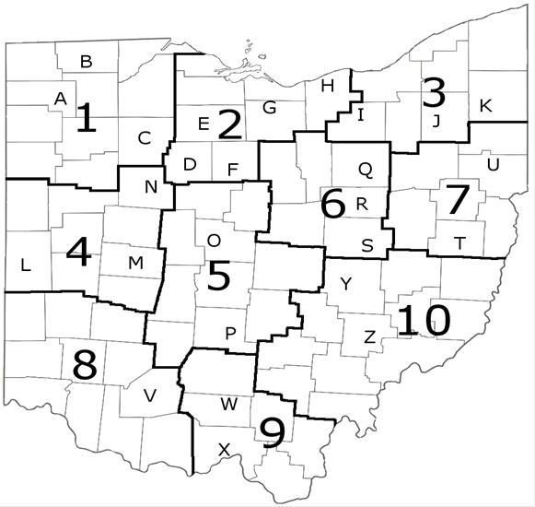
 | Year | Temp (deg C)
Div 1 | 1895 | 4.18
Div 1 | 1896 | 6.94
Div 1 | 1897 | 5.76
Div 1 | 1898 | 6.84
Div 1 | 1899 | 5.15
Div 1 | 1900 | 4.61
Div 1 | 1901 | 3.90
Div 1 | 1902 | 5.52
Div 1 | 1903 | 7.25
Div 1 | 1904 | 3.82
Div 1 | 1905 | 4.67
Div 1 | 1906 | 4.85
Div 1 | 1907 | 4.27
Div 1 | 1908 | 6.12
Div 1 | 1909 | 5.47
Div 1 | 1910 | 6.43
Div 1 | 1911 | 7.07
Div 1 | 1912 | 3.92
Div 1 | 1913 | 5.32
Div 1 | 1914 | 4.57
Div 1 | 1915 | 6.23
Div 1 | 1916 | 4.41
Div 1 | 1917 | 3.81
Div 1 | 1918 | 7.02
Div 1 | 1919 | 6.12
Div 1 | 1920 | 4.59
Div 1 | 1921 | 8.79
Div 1 | 1922 | 7.26
Div 1 | 1923 | 4.31
Div 1 | 1924 | 4.14
Div 1 | 1925 | 6.83
Div 1 | 1926 | 4.19
Div 1 | 1927 | 7.00
Div 1 | 1928 | 5.29
Div 1 | 1929 | 6.17
Div 1 | 1930 | 7.25
Div 1 | 1931 | 6.39
Div 1 | 1932 | 5.90
Div 1 | 1933 | 6.39
Div 1 | 1934 | 4.30
Div 1 | 1935 | 5.65
Div 1 | 1936 | 5.15
Div 1 | 1937 | 5.45
Div 1 | 1938 | 8.27
Div 1 | 1939 | 6.43
Div 1 | 1940 | 4.50
Div 1 | 1941 | 6.29
Div 1 | 1942 | 6.85
Div 1 | 1943 | 5.11
Div 1 | 1944 | 6.02
Div 1 | 1945 | 7.23
Div 1 | 1946 | 7.86
Div 1 | 1947 | 4.04
Div 1 | 1948 | 6.28
Div 1 | 1949 | 7.03
Div 1 | 1950 | 4.68
Div 1 | 1951 | 6.00
Div 1 | 1952 | 6.47
Div 1 | 1953 | 6.97
Div 1 | 1954 | 7.09
Div 1 | 1955 | 7.70
Div 1 | 1956 | 5.48
Div 1 | 1957 | 6.71
Div 1 | 1958 | 5.24
Div 1 | 1959 | 6.69
Div 1 | 1960 | 4.66
Div 1 | 1961 | 6.16
Div 1 | 1962 | 6.17
Div 1 | 1963 | 4.60
Div 1 | 1964 | 6.69
Div 1 | 1965 | 5.43
Div 1 | 1966 | 5.25
Div 1 | 1967 | 4.96
Div 1 | 1968 | 6.02
Div 1 | 1969 | 6.32
Div 1 | 1970 | 6.12
Div 1 | 1971 | 5.19
Div 1 | 1972 | 5.41
Div 1 | 1973 | 6.59
Div 1 | 1974 | 5.76
Div 1 | 1975 | 5.68
Div 1 | 1976 | 7.76
Div 1 | 1977 | 8.17
Div 1 | 1978 | 2.99
Div 1 | 1979 | 4.57
Div 1 | 1980 | 4.72
Div 1 | 1981 | 6.26
Div 1 | 1982 | 5.20
Div 1 | 1983 | 6.14
Div 1 | 1984 | 5.09
Div 1 | 1985 | 7.37
Div 1 | 1986 | 6.96
Div 1 | 1987 | 8.10
Div 1 | 1988 | 6.33
Div 1 | 1989 | 5.35
Div 1 | 1990 | 7.42
Div 1 | 1991 | 9.00
Div 1 | 1992 | 6.70
Div 1 | 1993 | 5.14
Div 1 | 1994 | 5.58
Div 1 | 1995 | 5.84
Div 1 | 1996 | 4.78
Div 1 | 1997 | 6.04
Div 1 | 1998 | 9.26
Div 1 | 1999 | 7.62
Div 1 | 2000 | 8.55
Div 1 | 2001 | 7.50
Div 1 | 2002 | 6.71
Div 1 | 2003 | 5.51
Div 1 | 2004 | 7.63
Div 1 | 2005 | 6.07
Div 1 | 2006 | 7.45
Div 1 | 2007 | 5.79
Div 1 | 2008 | 5.56
Div 1 | 2009 | 7.18

Division 2
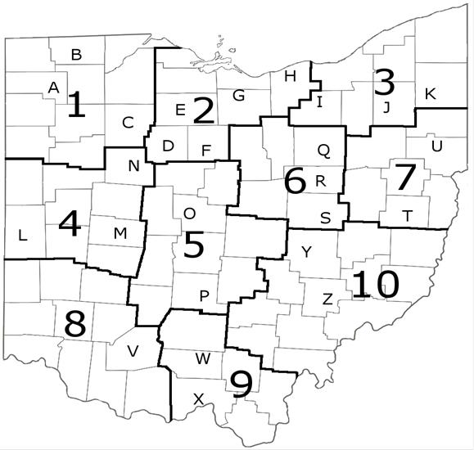
 | Year | Temp (deg C)
Div 2 | 1895 | 4.27
Div 2 | 1896 | 7.08
Div 2 | 1897 | 6.07
Div 2 | 1898 | 6.59
Div 2 | 1899 | 5.31
Div 2 | 1900 | 4.90
Div 2 | 1901 | 4.10
Div 2 | 1902 | 5.41
Div 2 | 1903 | 7.60
Div 2 | 1904 | 3.99
Div 2 | 1905 | 4.76
Div 2 | 1906 | 5.24
Div 2 | 1907 | 4.22
Div 2 | 1908 | 6.74
Div 2 | 1909 | 5.80
Div 2 | 1910 | 6.34
Div 2 | 1911 | 7.14
Div 2 | 1912 | 4.47
Div 2 | 1913 | 5.55
Div 2 | 1914 | 4.33
Div 2 | 1915 | 6.10
Div 2 | 1916 | 4.65
Div 2 | 1917 | 3.93
Div 2 | 1918 | 7.03
Div 2 | 1919 | 5.78
Div 2 | 1920 | 4.69
Div 2 | 1921 | 8.87
Div 2 | 1922 | 7.29
Div 2 | 1923 | 4.28
Div 2 | 1924 | 4.11
Div 2 | 1925 | 6.83
Div 2 | 1926 | 4.05
Div 2 | 1927 | 6.98
Div 2 | 1928 | 5.00
Div 2 | 1929 | 6.32
Div 2 | 1930 | 7.52
Div 2 | 1931 | 6.17
Div 2 | 1932 | 6.16
Div 2 | 1933 | 6.57
Div 2 | 1934 | 4.42
Div 2 | 1935 | 5.59
Div 2 | 1936 | 5.18
Div 2 | 1937 | 5.35
Div 2 | 1938 | 8.28
Div 2 | 1939 | 6.26
Div 2 | 1940 | 4.22
Div 2 | 1941 | 5.66
Div 2 | 1942 | 6.52
Div 2 | 1943 | 5.26
Div 2 | 1944 | 6.25
Div 2 | 1945 | 7.06
Div 2 | 1946 | 7.68
Div 2 | 1947 | 3.86
Div 2 | 1948 | 6.26
Div 2 | 1949 | 6.91
Div 2 | 1950 | 4.94
Div 2 | 1951 | 6.01
Div 2 | 1952 | 6.35
Div 2 | 1953 | 6.89
Div 2 | 1954 | 7.14
Div 2 | 1955 | 7.69
Div 2 | 1956 | 5.45
Div 2 | 1957 | 6.83
Div 2 | 1958 | 4.80
Div 2 | 1959 | 6.83
Div 2 | 1960 | 4.65
Div 2 | 1961 | 5.86
Div 2 | 1962 | 6.25
Div 2 | 1963 | 5.02
Div 2 | 1964 | 6.64
Div 2 | 1965 | 5.66
Div 2 | 1966 | 5.41
Div 2 | 1967 | 4.98
Div 2 | 1968 | 5.71
Div 2 | 1969 | 5.91
Div 2 | 1970 | 6.09
Div 2 | 1971 | 4.91
Div 2 | 1972 | 5.41
Div 2 | 1973 | 6.92
Div 2 | 1974 | 6.38
Div 2 | 1975 | 5.90
Div 2 | 1976 | 8.11
Div 2 | 1977 | 8.08
Div 2 | 1978 | 2.97
Div 2 | 1979 | 4.67
Div 2 | 1980 | 4.75
Div 2 | 1981 | 6.50
Div 2 | 1982 | 5.68
Div 2 | 1983 | 6.25
Div 2 | 1984 | 5.17
Div 2 | 1985 | 7.11
Div 2 | 1986 | 7.28
Div 2 | 1987 | 7.81
Div 2 | 1988 | 6.07
Div 2 | 1989 | 4.97
Div 2 | 1990 | 7.49
Div 2 | 1991 | 9.01
Div 2 | 1992 | 6.58
Div 2 | 1993 | 5.07
Div 2 | 1994 | 5.42
Div 2 | 1995 | 5.60
Div 2 | 1996 | 4.74
Div 2 | 1997 | 6.06
Div 2 | 1998 | 9.23
Div 2 | 1999 | 7.45
Div 2 | 2000 | 8.24
Div 2 | 2001 | 7.38
Div 2 | 2002 | 7.01
Div 2 | 2003 | 5.82
Div 2 | 2004 | 7.50
Div 2 | 2005 | 5.91
Div 2 | 2006 | 7.02
Div 2 | 2007 | 5.70
Div 2 | 2008 | 5.40
Div 2 | 2009 | 6.87

State T Trends
Year | State Mean T (deg C) | State mean T Anomaly (deg C)
1895 | 4.83 | -2.03
1896 | 7.59 | 0.73
1897 | 6.62 | -0.24
1898 | 7.06 | 0.20
1899 | 6.05 | -0.81
1900 | 5.52 | -1.34
1901 | 4.77 | -2.09
1902 | 5.98 | -0.88
1903 | 8.19 | 1.33
1904 | 4.82 | -2.04
1905 | 5.56 | -1.30
1906 | 5.54 | -1.32
1907 | 5.04 | -1.82
1908 | 7.24 | 0.38
1909 | 6.52 | -0.34
1910 | 6.85 | -0.01
1911 | 7.50 | 0.64
1912 | 5.18 | -1.68
1913 | 6.24 | -0.62
1914 | 5.10 | -1.76
1915 | 6.59 | -0.27
1916 | 5.25 | -1.61
1917 | 4.66 | -2.20
1918 | 7.75 | 0.89
1919 | 6.68 | -0.18
1920 | 5.40 | -1.46
1921 | 9.26 | 2.40
1922 | 8.11 | 1.25
1923 | 5.05 | -1.81
1924 | 4.84 | -2.02
1925 | 7.44 | 0.58
1926 | 4.89 | -1.97
1927 | 7.77 | 0.91
State Spring T Anomaly
1928 | 5.69 | -1.17
1929 | 6.83 | -0.03
1930 | 8.04 | 1.18
1931 | 6.44 | -0.42
1932 | 6.54 | -0.32
1933 | 7.04 | 0.18
1934 | 4.81 | -2.05
1935 | 6.48 | -0.38
1936 | 5.69 | -1.17
1937 | 5.84 | -1.02
1938 | 8.78 | 1.92
1939 | 6.98 | 0.12
1940 | 4.96 | -1.90
1941 | 6.20 | -0.66
1942 | 7.13 | 0.27
1943 | 5.73 | -1.13
1944 | 7.04 | 0.18
1945 | 7.74 | 0.88
1946 | 8.20 | 1.34
1947 | 4.34 | -2.52
1948 | 7.18 | 0.32
1949 | 7.49 | 0.63
1950 | 5.71 | -1.15
1951 | 6.51 | -0.35
1952 | 6.88 | 0.02
1953 | 7.47 | 0.61
1954 | 7.51 | 0.65
1955 | 8.03 | 1.17
1956 | 6.25 | -0.61
1957 | 7.50 | 0.64
1958 | 5.14 | -1.72
1959 | 7.38 | 0.52
1960 | 4.89 | -1.97
1961 | 6.28 | -0.58
1962 | 6.69 | -0.17
1963 | 5.44 | -1.42
1964 | 6.90 | 0.04
1965 | 6.27 | -0.59
1966 | 5.84 | -1.02
1967 | 5.57 | -1.29
1968 | 5.90 | -0.96
1969 | 6.34 | -0.52
1970 | 6.53 | -0.33
1971 | 5.29 | -1.57
1972 | 5.90 | -0.96
1973 | 7.35 | 0.49
1974 | 7.00 | 0.14
1975 | 6.28 | -0.58
1976 | 8.51 | 1.65
1977 | 8.28 | 1.42
1978 | 3.68 | -3.18
1979 | 5.16 | -1.70
1980 | 5.21 | -1.65
1981 | 6.81 | -0.05
1982 | 6.44 | -0.42
1983 | 6.82 | -0.04
1984 | 5.83 | -1.03
1985 | 7.62 | 0.76
1986 | 7.84 | 0.98
1987 | 8.21 | 1.35
1988 | 6.57 | -0.29
1989 | 5.81 | -1.05
1990 | 7.97 | 1.11
1991 | 9.39 | 2.53
1992 | 7.11 | 0.25
1993 | 5.81 | -1.05
1994 | 6.03 | -0.83
1995 | 6.22 | -0.64
1996 | 5.38 | -1.48
1997 | 6.44 | -0.42
1998 | 9.37 | 2.51
1999 | 7.76 | 0.90
2000 | 8.75 | 1.89
2001 | 7.72 | 0.86
2002 | 7.39 | 0.53
2003 | 6.55 | -0.31
2004 | 8.05 | 1.19
2005 | 6.40 | -0.46
2006 | 7.44 | 0.58
2007 | 6.14 | -0.72
2008 | 6.06 | -0.80
2009 | 7.53 | 0.67
 | 6.56

Flowering data
Species | Common Name | County | Year | Division | Temperature | DOY
Carduus_nutans | Nodding Thistle | Erie Co. | 1966 | DIV2 | 15.91 | 180
Carduus_nutans | Nodding Thistle | Erie Co. | 1966 | DIV2 | 15.91 | 234
Carduus_nutans | Nodding Thistle | Erie Co. | 1967 | DIV2 | 16.27 | 193
Carduus_nutans | Nodding Thistle | Erie Co. | 1973 | DIV2 | 16.74 | 178
Carduus_nutans | Nodding Thistle | Ottawa Co. | 1978 | DIV2 | 16.36 | 189
Carduus_nutans | Nodding Thistle | Cuyahoga Co. | 1974 | DIV3 | 15 | 202
Photo Credit: Gary Munroe@ USDA-NRCS PLANTS Database,
Carduus_nutans | Nodding Thistle | Franklin Co. | 1990 | DIV5 | 17.53 | 164
Carduus_nutans | Nodding Thistle | Pickaway Co. | 2009 | DIV5 | 17.97 | 171
Carduus_nutans | Nodding Thistle | Montgomery Co. | 1974 | DIV8 | 17.36 | 191
Carduus_nutans | Nodding Thistle | Ross Co. | 1987 | DIV9 | 19.53 | 155

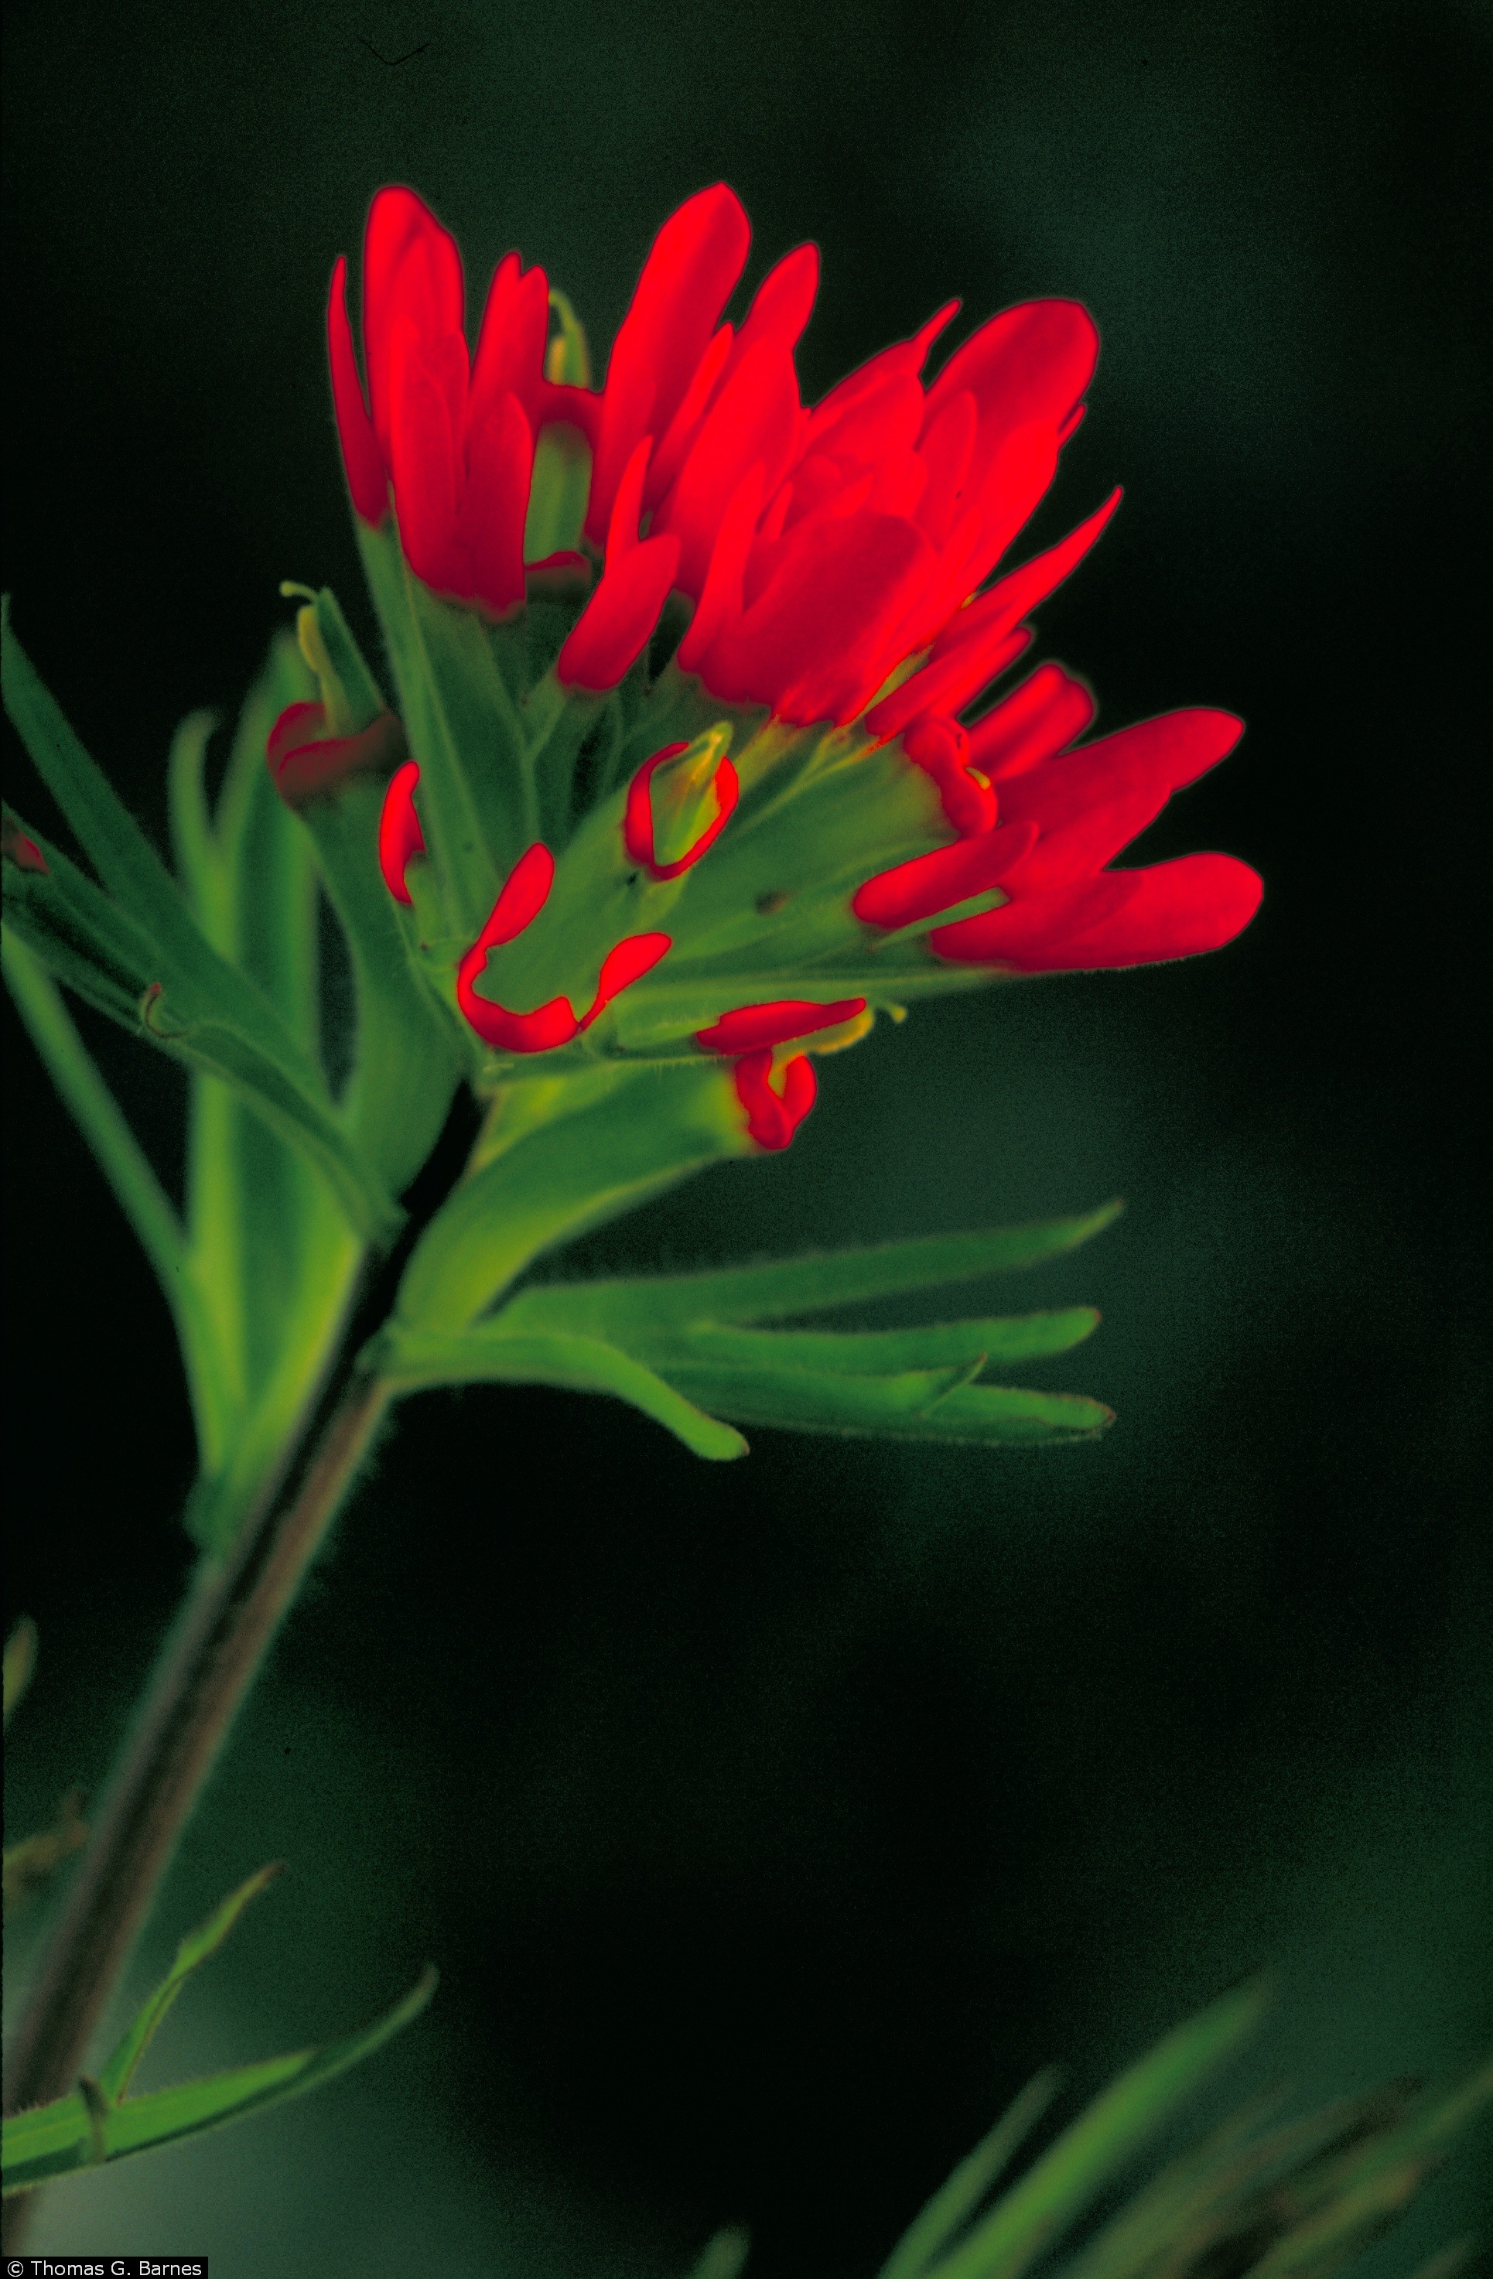
Photo Credit: Thomas G. Barnes @ USDA-NRCS PLANTS Database, University of Kentucky
Species | Common Name | County | Year | Division | Temperature | DOY
Castilleja_coccinea | Indian's Paintbrush | Portage Co. | 1933 | DIV3 | 5.27 | 141
Castilleja_coccinea | Indian's Paintbrush | Geauga Co. | 1959 | DIV3 | 5.48 | 173
Castilleja_coccinea | Indian's Paintbrush | Ashland Co. | 1970 | DIV6 | 6.38 | 153
Castilleja_coccinea | Indian's Paintbrush | Adams Co. | 1924 | DIV8 | 6.69 | 152
Castilleja_coccinea | Indian's Paintbrush | Adams Co. | 1967 | DIV8 | 7.63 | 155
Castilleja_coccinea | Indian's Paintbrush | Adams Co. | 1967 | DIV8 | 7.63 | 150
Castilleja_coccinea | Indian's Paintbrush | Franklin Co. | 1899 | DIV5 | 7.86 | 142
Castilleja_coccinea | Indian's Paintbrush | Adams Co. | 2002 | DIV8 | 8.43 | 133
Castilleja_coccinea | Indian's Paintbrush | Adams Co. | 1933 | DIV8 | 8.89 | 141
Castilleja_coccinea | Indian's Paintbrush | Adams Co. | 1975 | DIV8 | 9.03 | 139
Castilleja_coccinea | Indian's Paintbrush | Adams Co. | 1987 | DIV8 | 9.79 | 111
Castilleja_coccinea | Indian's Paintbrush | Adams Co. | 2000 | DIV8 | 9.86 | 123
Castilleja_coccinea | Indian's Paintbrush | Pike Co. | 1953 | DIV9 | 9.92 | 122
Castilleja_coccinea | Indian's Paintbrush | Madison Co. | 1930 | DIV5 | 10.21 | 138

Species | Common Name | County | Year | Division | Temperature | DOY
Cypripedium_acaule | Moccasin flower | Hocking Co. | 1940 | DIV10 | 5.21 | 146
Cypripedium_acaule | Moccasin flower | Hocking Co. | 1929 | DIV10 | 6.9 | 145
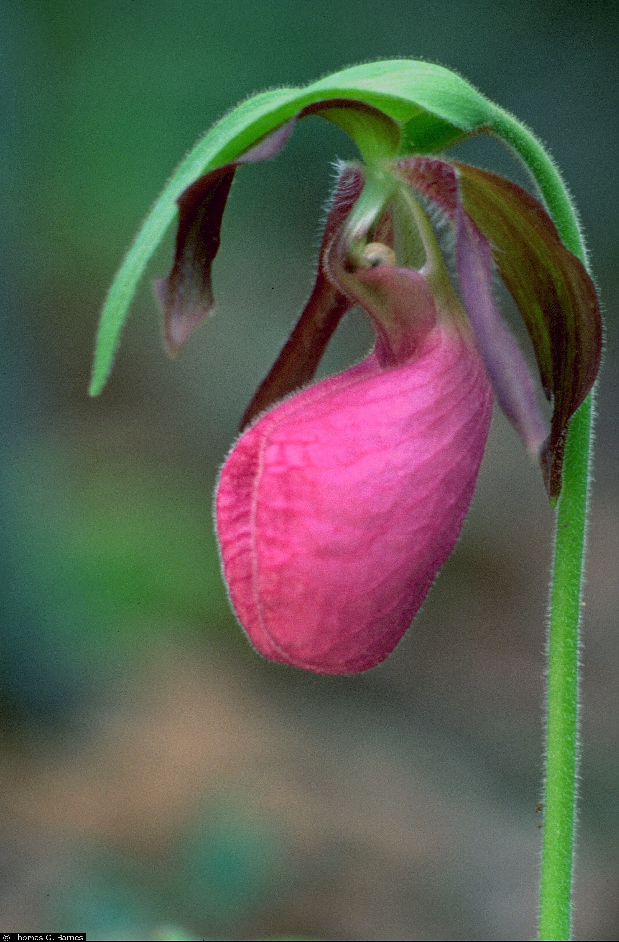
Cypripedium_acaule | Moccasin flower | Hocking Co. | 1983 | DIV10 | 6.62 | 144
Cypripedium_acaule | Moccasin flower | Hocking Co. | 1982 | DIV10 | 6.79 | 128
Cypripedium_acaule | Moccasin flower | Hocking Co. | 1961 | DIV10 | 6.11 | 131
Cypripedium_acaule | Moccasin flower | Hocking Co. | 1940 | DIV10 | 5.21 | 146
Cypripedium_acaule | Moccasin flower | Trumbull Co. | 1907 | DIV3 | 2.65 | 160
Cypripedium_acaule | Moccasin flower | Portage Co. | 1900 | DIV3 | 3.45 | 154
Cypripedium_acaule | Moccasin flower | Geauga Co. | 1928 | DIV3 | 3.75 | 148
Cypripedium_acaule | Moccasin flower | Geauga Co. | 1934 | DIV3 | 2.73 | 143
Cypripedium_acaule | Moccasin flower | Summit Co. | 1957 | DIV3 | 5.53 | 156
Cypripedium_acaule | Moccasin flower | Fairfield Co. | 1900 | DIV5 | 7.45 | 139
Cypripedium_acaule | Moccasin flower | Fairfield Co. | 1971 | DIV5 | 6.55 | 149
Cypripedium_acaule | Moccasin flower | Fairfield Co. | 1900 | DIV5 | 7.45 | 139
Cypripedium_acaule | Moccasin flower | Fairfield Co. | 1901 | DIV5 | 6.42 | 176
Cypripedium_acaule | Moccasin flower | Fairfield Co. | 1901 | DIV5 | 6.42 | 145
Cypripedium_acaule | Moccasin flower | Fairfield Co. | 1898 | DIV5 | 8.55 | 141
Cypripedium_acaule | Moccasin flower | Fairfield Co. | 1901 | DIV5 | 6.42 | 141
Cypripedium_acaule | Moccasin flower | Fairfield Co. | 1901 | DIV5 | 6.42 | 145
Photo Credit: Thomas G. Barnes @ USDA-NRCS PLANTS Database, University of Kentucky
Cypripedium_acaule | Moccasin flower | Fairfield Co. | 1901 | DIV5 | 6.42 | 145
Cypripedium_acaule | Moccasin flower | Fairfield Co. | 1935 | DIV5 | 8.07 | 139
Cypripedium_acaule | Moccasin flower | Fairfield Co. | 1898 | DIV5 | 8.55 | 148
Cypripedium_acaule | Moccasin flower | Fairfield Co. | 1901 | DIV5 | 6.42 | 145
Cypripedium_acaule | Moccasin flower | Fairfield Co. | 1963 | DIV5 | 7.19 | 138
Cypripedium_acaule | Moccasin flower | Adams Co. | 1932 | DIV8 | 8.68 | 142
Cypripedium_acaule | Moccasin flower | Adams Co. | 1949 | DIV8 | 9.44 | 135
Cypripedium_acaule | Moccasin flower | Jackson Co. | 1981 | DIV9 | 8.54 | 125
Cypripedium_acaule | Moccasin flower | Scioto Co. | 1988 | DIV9 | 8.74 | 121
Cypripedium_acaule | Moccasin flower | Pike Co. | 1982 | DIV9 | 8.97 | 120

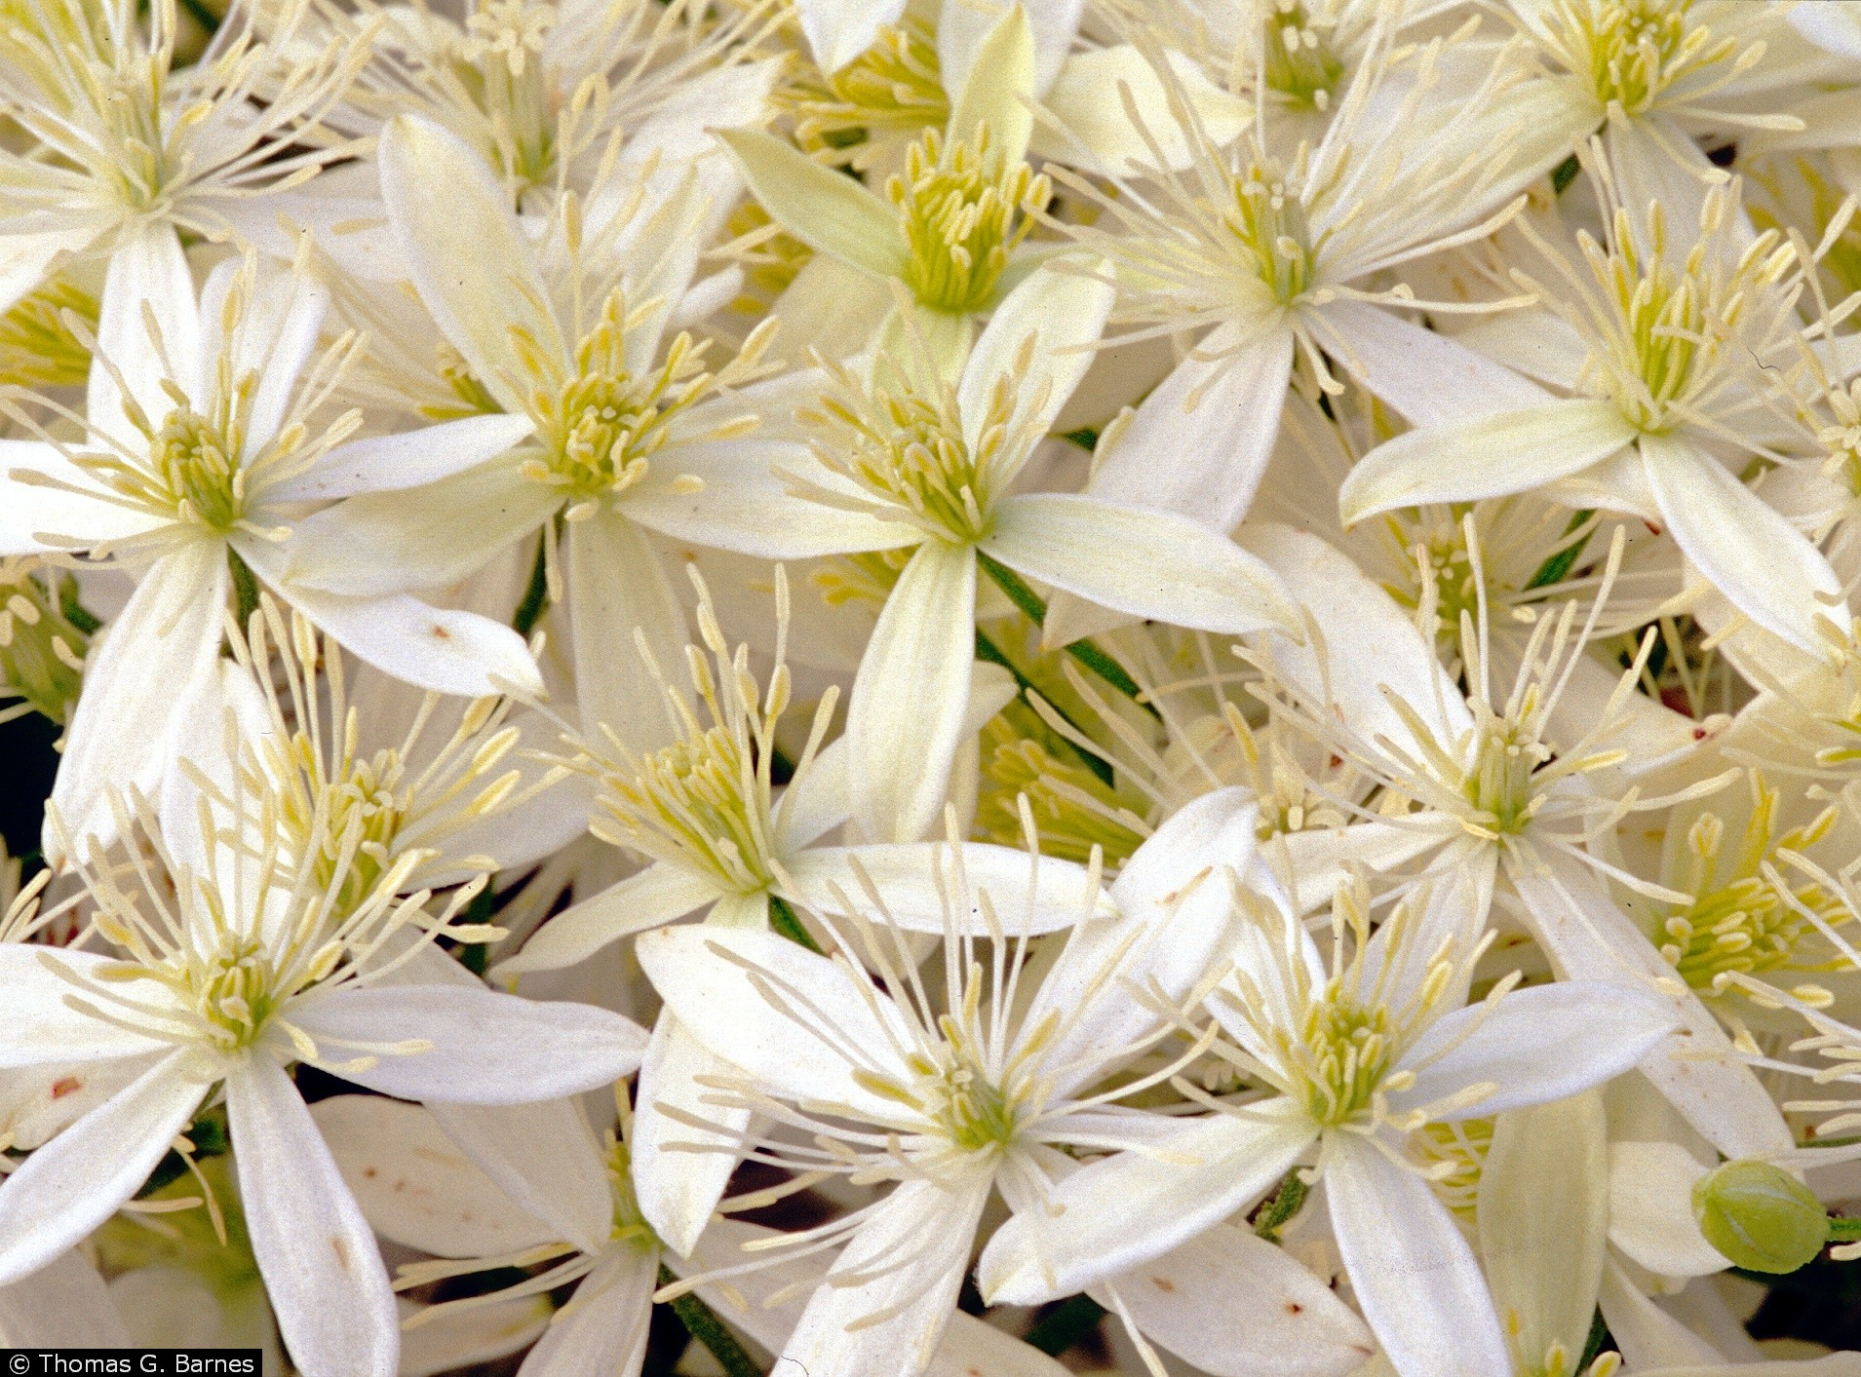
Species | Common Name | County | Year | Division | Temperature | DOY
Clematis_virginiana | Devil's darning needles | Fulton Co. | 1958 | DIV1 | 19.08 | 229
Clematis_virginiana | Devil's darning needles | Hocking Co. | 1971 | DIV10 | 17.98 | 222
Clematis_virginiana | Devil's darning needles | Hocking Co. | 1972 | DIV10 | 18.73 | 213
Clematis_virginiana | Devil's darning needles | Erie Co. | 1966 | DIV2 | 19.11 | 235
Clematis_virginiana | Devil's darning needles | Erie Co. | 1975 | DIV2 | 20.74 | 238
Clematis_virginiana | Devil's darning needles | Ottawa Co. | 1958 | DIV2 | 18.57 | 192
Clematis_virginiana | Devil's darning needles | Ottawa Co. | 1972 | DIV2 | 18.92 | 237
Clematis_virginiana | Devil's darning needles | Sandusky Co. | 1956 | DIV2 | 19.25 | 217
Clematis_virginiana | Devil's darning needles | Sandusky Co. | 1959 | DIV2 | 21.09 | 232
Clematis_virginiana | Devil's darning needles | Ashtabula Co. | 1972 | DIV3 | 17.22 | 201
Clematis_virginiana | Devil's darning needles | Medina Co. | 1957 | DIV3 | 18.04 | 193
Clematis_virginiana | Devil's darning needles | Medina Co. | 1957 | DIV3 | 18.04 | 224
Photo Credit: Thomas G. Barnes @ USDA-NRCS PLANTS Database, University of Kentucky
Clematis_virginiana | Devil's darning needles | Medina Co. | 1970 | DIV3 | 18.77 | 225
Clematis_virginiana | Devil's darning needles | Summit Co. | 1954 | DIV3 | 17.72 | 222
Clematis_virginiana | Devil's darning needles | Summit Co. | 1971 | DIV3 | 17.22 | 228
Clematis_virginiana | Devil's darning needles | Auglaize Co. | 1929 | DIV4 | 18.98 | 183
Clematis_virginiana | Devil's darning needles | Logan Co. | 1990 | DIV4 | 19.53 | 206
Clematis_virginiana | Devil's darning needles | Fairfield Co. | 1958 | DIV5 | 20.13 | 226
Clematis_virginiana | Devil's darning needles | Clermont Co. | 2008 | DIV8 | 20.33 | 232
Clematis_virginiana | Devil's darning needles | Warren Co. | 2008 | DIV8 | 20.33 | 231
Clematis_virginiana | Devil's darning needles | Jackson Co. | 1934 | DIV9 | 23.38 | 232
Clematis_virginiana | Devil's darning needles | Pike Co. | 1938 | DIV9 | 21.71 | 239

Species | Common Name | County | Year | Division | Temperature | DOY
Aquilegia_canadensis | Columbine | Hancock Co. | 1978 | DIV1 | 2.99 | 146
Aquilegia_canadensis | Columbine | Henry Co. | 1968 | DIV1 | 6.02 | 129
Aquilegia_canadensis | Columbine | Henry Co. | 1981 | DIV1 | 6.26 | 146
Aquilegia_canadensis | Columbine | Lucas Co. | 2005 | DIV1 | 6.07 | 149
Aquilegia_canadensis | Columbine | Wood Co. | 1981 | DIV1 | 6.26 | 139
Aquilegia_canadensis | Columbine | Belmont Co. | 1906 | DIV10 | 5.58 | 130
Aquilegia_canadensis | Columbine | Belmont Co. | 1910 | DIV10 | 6.58 | 147
Aquilegia_canadensis | Columbine | Hocking Co. | 1971 | DIV10 | 4.76 | 138
Aquilegia_canadensis | Columbine | Hocking Co. | 1996 | DIV10 | 5.35 | 132
Aquilegia_canadensis | Columbine | Hocking Co. | 2007 | DIV10 | 6.07 | 133
...
 |  |  | 1963 | DIV10 | 5.56 | 133
 |  |  | 1981 | DIV2 | 6.5 | 151
 |  |  | 1970 | DIV2 | 6.09 | 140
 |  |  | 1967 | DIV2 | 4.98 | 134
 |  |  | 1896 | DIV2 | 7.08 | 130
 |  |  | 1968 | DIV2 | 5.71 | 130
 |  |  | 1970 | DIV2 | 6.09 | 129
 |  |  | 1895 | DIV3 | 2.88 | 139
 |  |  | 1982 | DIV3 | 4.91 | 140
 |  |  | 1960 | DIV3 | 3.4 | 135
Photo Credit: K. Calinger, Ohio State University
 |  |  | 1960 | DIV3 | 3.4 | 128
 |  |  | 1963 | DIV4 | 5.73 | 138
 |  |  | 1985 | DIV4 | 7.97 | 133
 |  |  | 1967 | DIV4 | 5.74 | 142
 |  |  | 1905 | DIV4 | 6.3 | 147
 |  |  | 1930 | DIV5 | 10.21 | 117
 |  |  | 1935 | DIV5 | 8.07 | 143
 |  |  | 1899 | DIV5 | 7.86 | 130
 |  |  | 1977 | DIV5 | 9.33 | 115
 |  |  | 1987 | DIV5 | 9.37 | 130
 |  |  | 1942 | DIV6 | 6.93 | 128
 |  |  | 1939 | DIV6 | 6.8 | 130
 |  |  | 1961 | DIV7 | 5.94 | 172
 |  |  | 1944 | DIV7 | 7.02 | 134
...
 |  | County | Year | Division | Temperature | DOY
 |  | Vinton Co. | 1970 | DIV10 | 6.41 | 122
 |  | Vinton Co. | 1970 | DIV10 | 6.41 | 116
 |  | Vinton Co. | 1937 | DIV10 | 5.81 | 121
 |  | Erie Co. | 1967 | DIV2 | 4.98 | 139
 |  | Huron Co. | 1941 | DIV2 | 5.66 | 131
 |  | Huron Co. | 1964 | DIV2 | 6.63 | 135
 |  | Huron Co. | 1966 | DIV2 | 5.41 | 144
 |  | Huron Co. | 2007 | DIV2 | 5.7 | 126
 |  | Lorain Co. | 1902 | DIV2 | 5.41 | 142
 |  | Lorain Co. | 1896 | DIV2 | 7.08 | 131
Photo Credit: K. Calinger, Ohio State University
 |  | Lorain Co. | 1973 | DIV2 | 6.92 | 125
 |  | Ottawa Co. | 1968 | DIV2 | 5.71 | 130
 |  | Seneca Co. | 1969 | DIV2 | 5.91 | 129
 |  | Seneca Co. | 1966 | DIV2 | 5.41 | 141
 |  | Cuyahoga Co. | 1902 | DIV3 | 3.81 | 131
 |  | Cuyahoga Co. | 1896 | DIV3 | 5.32 | 136
 |  | Geauga Co. | 1956 | DIV3 | 3.92 | 143
 |  | Medina Co. | 1934 | DIV3 | 2.73 | 132
 |  | Summit Co. | 1973 | DIV3 | 5.89 | 132
 |  | Summit Co. | 1972 | DIV3 | 3.96 | 144
 |  | Auglaize Co. | 1896 | DIV4 | 8.14 | 123
 |  | Champaign Co. | 1967 | DIV4 | 5.74 | 128
 |  | Champaign Co. | 1902 | DIV4 | 6.69 | 123
 |  | Darke Co. | 1955 | DIV4 | 8.31 | 120
...

