Division 1
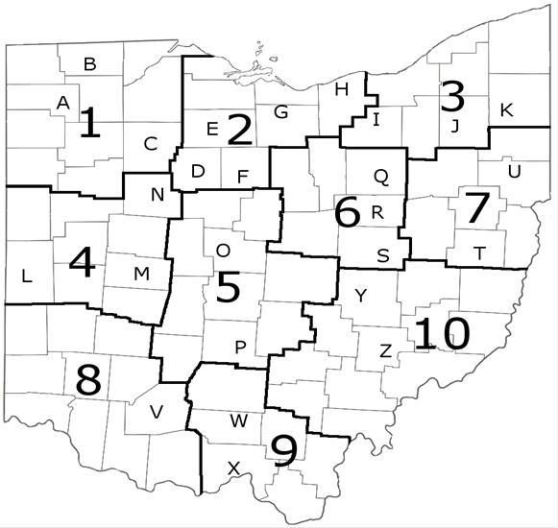
 | Year | Temp (deg C)
Div 1 | 1895 | 4.18
Div 1 | 1896 | 6.94
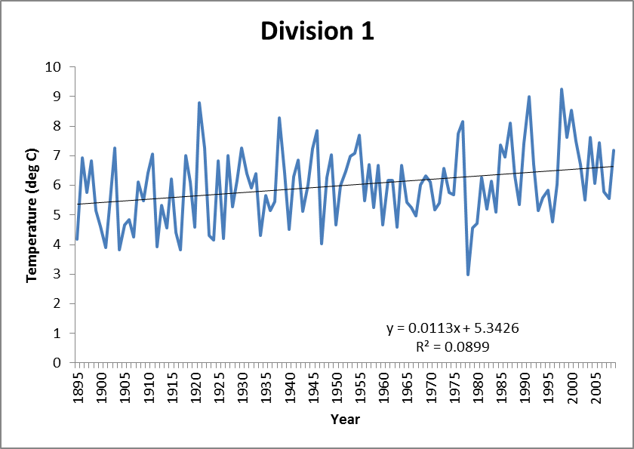
Div 1 | 1897 | 5.76
Div 1 | 1898 | 6.84
Div 1 | 1899 | 5.15
Div 1 | 1900 | 4.61
Div 1 | 1901 | 3.90
Div 1 | 1902 | 5.52
Div 1 | 1903 | 7.25
Div 1 | 1904 | 3.82
Div 1 | 1905 | 4.67
Div 1 | 1906 | 4.85
Div 1 | 1907 | 4.27
Div 1 | 1908 | 6.12
Div 1 | 1909 | 5.47
Div 1 | 1910 | 6.43
Div 1 | 1911 | 7.07
Div 1 | 1912 | 3.92
Div 1 | 1913 | 5.32
Div 1 | 1914 | 4.57
Div 1 | 1915 | 6.23
Div 1 | 1916 | 4.41
Div 1 | 1917 | 3.81
Div 1 | 1918 | 7.02
Div 1 | 1919 | 6.12
Div 1 | 1920 | 4.59
Div 1 | 1921 | 8.79
Div 1 | 1922 | 7.26
Div 1 | 1923 | 4.31
Div 1 | 1924 | 4.14
Div 1 | 1925 | 6.83
Div 1 | 1926 | 4.19
Div 1 | 1927 | 7.00
Div 1 | 1928 | 5.29
Div 1 | 1929 | 6.17
Div 1 | 1930 | 7.25
Div 1 | 1931 | 6.39
Div 1 | 1932 | 5.90
Div 1 | 1933 | 6.39
Div 1 | 1934 | 4.30
Div 1 | 1935 | 5.65
Div 1 | 1936 | 5.15
Div 1 | 1937 | 5.45
Div 1 | 1938 | 8.27
Div 1 | 1939 | 6.43
Div 1 | 1940 | 4.50
Div 1 | 1941 | 6.29
Div 1 | 1942 | 6.85
Div 1 | 1943 | 5.11
Div 1 | 1944 | 6.02
Div 1 | 1945 | 7.23
Div 1 | 1946 | 7.86
Div 1 | 1947 | 4.04
Div 1 | 1948 | 6.28
Div 1 | 1949 | 7.03
Div 1 | 1950 | 4.68
Div 1 | 1951 | 6.00
Div 1 | 1952 | 6.47
Div 1 | 1953 | 6.97
Div 1 | 1954 | 7.09
Div 1 | 1955 | 7.70
Div 1 | 1956 | 5.48
Div 1 | 1957 | 6.71
Div 1 | 1958 | 5.24
Div 1 | 1959 | 6.69
Div 1 | 1960 | 4.66
Div 1 | 1961 | 6.16
Div 1 | 1962 | 6.17
Div 1 | 1963 | 4.60
Div 1 | 1964 | 6.69
Div 1 | 1965 | 5.43
Div 1 | 1966 | 5.25
Div 1 | 1967 | 4.96
Div 1 | 1968 | 6.02
Div 1 | 1969 | 6.32
Div 1 | 1970 | 6.12
Div 1 | 1971 | 5.19
Div 1 | 1972 | 5.41
Div 1 | 1973 | 6.59
Div 1 | 1974 | 5.76
Div 1 | 1975 | 5.68
Div 1 | 1976 | 7.76
Div 1 | 1977 | 8.17
Div 1 | 1978 | 2.99
Div 1 | 1979 | 4.57
Div 1 | 1980 | 4.72
Div 1 | 1981 | 6.26
Div 1 | 1982 | 5.20
Div 1 | 1983 | 6.14
Div 1 | 1984 | 5.09
Div 1 | 1985 | 7.37
Div 1 | 1986 | 6.96
Div 1 | 1987 | 8.10
Div 1 | 1988 | 6.33
Div 1 | 1989 | 5.35
Div 1 | 1990 | 7.42
Div 1 | 1991 | 9.00
Div 1 | 1992 | 6.70
Div 1 | 1993 | 5.14
Div 1 | 1994 | 5.58
Div 1 | 1995 | 5.84
Div 1 | 1996 | 4.78
Div 1 | 1997 | 6.04
Div 1 | 1998 | 9.26
Div 1 | 1999 | 7.62
Div 1 | 2000 | 8.55
Div 1 | 2001 | 7.50
Div 1 | 2002 | 6.71
Div 1 | 2003 | 5.51
Div 1 | 2004 | 7.63
Div 1 | 2005 | 6.07
Div 1 | 2006 | 7.45
Div 1 | 2007 | 5.79
Div 1 | 2008 | 5.56
Div 1 | 2009 | 7.18

Division 2
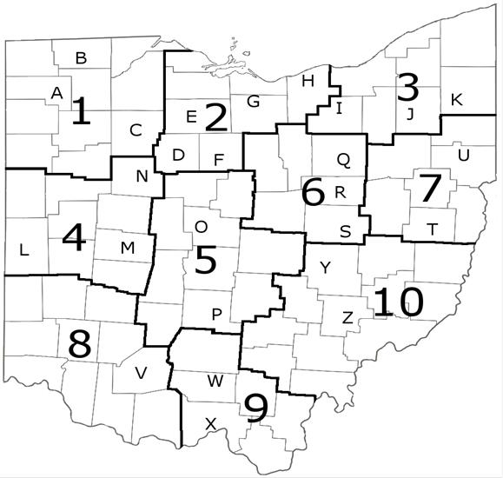
 | Year | Temp (deg C)
Div 2 | 1895 | 4.27
Div 2 | 1896 | 7.08
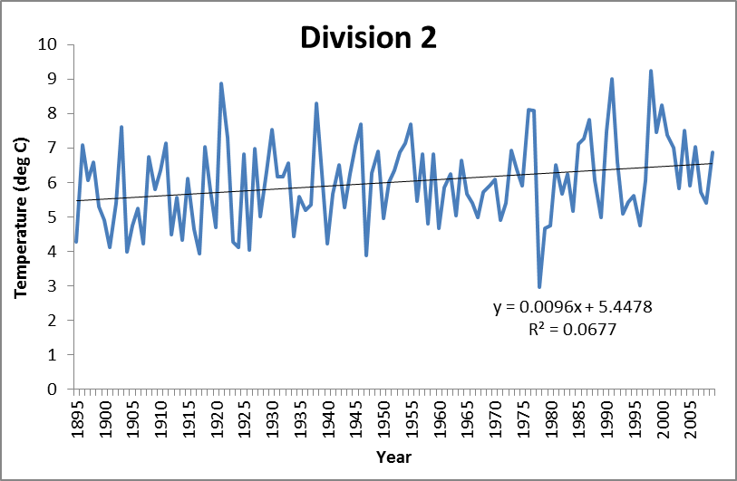
Div 2 | 1897 | 6.07
Div 2 | 1898 | 6.59
Div 2 | 1899 | 5.31
Div 2 | 1900 | 4.90
Div 2 | 1901 | 4.10
Div 2 | 1902 | 5.41
Div 2 | 1903 | 7.60
Div 2 | 1904 | 3.99
Div 2 | 1905 | 4.76
Div 2 | 1906 | 5.24
Div 2 | 1907 | 4.22
Div 2 | 1908 | 6.74
Div 2 | 1909 | 5.80
Div 2 | 1910 | 6.34
Div 2 | 1911 | 7.14
Div 2 | 1912 | 4.47
Div 2 | 1913 | 5.55
Div 2 | 1914 | 4.33
Div 2 | 1915 | 6.10
Div 2 | 1916 | 4.65
Div 2 | 1917 | 3.93
Div 2 | 1918 | 7.03
Div 2 | 1919 | 5.78
Div 2 | 1920 | 4.69
Div 2 | 1921 | 8.87
Div 2 | 1922 | 7.29
Div 2 | 1923 | 4.28
Div 2 | 1924 | 4.11
Div 2 | 1925 | 6.83
Div 2 | 1926 | 4.05
Div 2 | 1927 | 6.98
Div 2 | 1928 | 5.00
Div 2 | 1929 | 6.32
Div 2 | 1930 | 7.52
Div 2 | 1931 | 6.17
Div 2 | 1932 | 6.16
Div 2 | 1933 | 6.57
Div 2 | 1934 | 4.42
Div 2 | 1935 | 5.59
Div 2 | 1936 | 5.18
Div 2 | 1937 | 5.35
Div 2 | 1938 | 8.28
Div 2 | 1939 | 6.26
Div 2 | 1940 | 4.22
Div 2 | 1941 | 5.66
Div 2 | 1942 | 6.52
Div 2 | 1943 | 5.26
Div 2 | 1944 | 6.25
Div 2 | 1945 | 7.06
Div 2 | 1946 | 7.68
Div 2 | 1947 | 3.86
Div 2 | 1948 | 6.26
Div 2 | 1949 | 6.91
Div 2 | 1950 | 4.94
Div 2 | 1951 | 6.01
Div 2 | 1952 | 6.35
Div 2 | 1953 | 6.89
Div 2 | 1954 | 7.14
Div 2 | 1955 | 7.69
Div 2 | 1956 | 5.45
Div 2 | 1957 | 6.83
Div 2 | 1958 | 4.80
Div 2 | 1959 | 6.83
Div 2 | 1960 | 4.65
Div 2 | 1961 | 5.86
Div 2 | 1962 | 6.25
Div 2 | 1963 | 5.02
Div 2 | 1964 | 6.64
Div 2 | 1965 | 5.66
Div 2 | 1966 | 5.41
Div 2 | 1967 | 4.98
Div 2 | 1968 | 5.71
Div 2 | 1969 | 5.91
Div 2 | 1970 | 6.09
Div 2 | 1971 | 4.91
Div 2 | 1972 | 5.41
Div 2 | 1973 | 6.92
Div 2 | 1974 | 6.38
Div 2 | 1975 | 5.90
Div 2 | 1976 | 8.11
Div 2 | 1977 | 8.08
Div 2 | 1978 | 2.97
Div 2 | 1979 | 4.67
Div 2 | 1980 | 4.75
Div 2 | 1981 | 6.50
Div 2 | 1982 | 5.68
Div 2 | 1983 | 6.25
Div 2 | 1984 | 5.17
Div 2 | 1985 | 7.11
Div 2 | 1986 | 7.28
Div 2 | 1987 | 7.81
Div 2 | 1988 | 6.07
Div 2 | 1989 | 4.97
Div 2 | 1990 | 7.49
Div 2 | 1991 | 9.01
Div 2 | 1992 | 6.58
Div 2 | 1993 | 5.07
Div 2 | 1994 | 5.42
Div 2 | 1995 | 5.60
Div 2 | 1996 | 4.74
Div 2 | 1997 | 6.06
Div 2 | 1998 | 9.23
Div 2 | 1999 | 7.45
Div 2 | 2000 | 8.24
Div 2 | 2001 | 7.38
Div 2 | 2002 | 7.01
Div 2 | 2003 | 5.82
Div 2 | 2004 | 7.50
Div 2 | 2005 | 5.91
Div 2 | 2006 | 7.02
Div 2 | 2007 | 5.70
Div 2 | 2008 | 5.40
Div 2 | 2009 | 6.87

Division 3
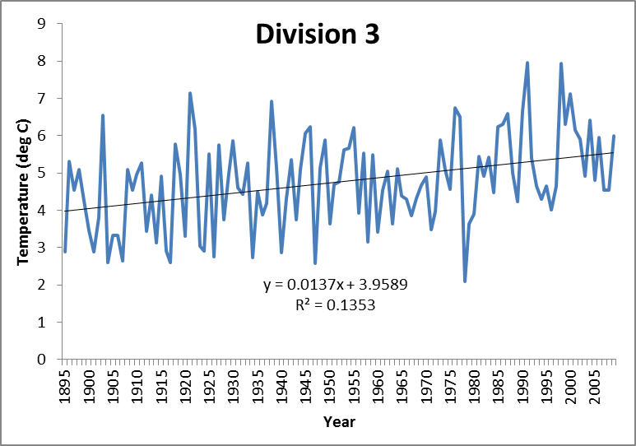
 | Year | Temp (deg C)
Div 3 | 1895 | 2.88
Div 3 | 1896 | 5.32
Div 3 | 1897 | 4.53
Div 3 | 1898 | 5.10
Div 3 | 1899 | 4.25
Div 3 | 1900 | 3.45
Div 3 | 1901 | 2.87
Div 3 | 1902 | 3.81
Div 3 | 1903 | 6.54
Div 3 | 1904 | 2.59
Div 3 | 1905 | 3.32
Div 3 | 1906 | 3.33
Div 3 | 1907 | 2.65
Div 3 | 1908 | 5.10
Div 3 | 1909 | 4.53
Div 3 | 1910 | 4.95
Div 3 | 1911 | 5.27
Div 3 | 1912 | 3.43
Div 3 | 1913 | 4.41
Div 3 | 1914 | 3.13
Div 3 | 1915 | 4.92
Div 3 | 1916 | 2.92
Div 3 | 1917 | 2.60
Div 3 | 1918 | 5.78
Div 3 | 1919 | 4.96
Div 3 | 1920 | 3.30
Div 3 | 1921 | 7.13
Div 3 | 1922 | 6.18
Div 3 | 1923 | 3.03
Div 3 | 1924 | 2.90
Div 3 | 1925 | 5.50
Div 3 | 1926 | 2.76
Div 3 | 1927 | 5.75
Div 3 | 1928 | 3.75
Div 3 | 1929 | 4.98
Div 3 | 1930 | 5.85
Div 3 | 1931 | 4.61
Div 3 | 1932 | 4.43
Div 3 | 1933 | 5.27
Div 3 | 1934 | 2.73
Div 3 | 1935 | 4.49
Div 3 | 1936 | 3.88
Div 3 | 1937 | 4.19
Div 3 | 1938 | 6.93
Div 3 | 1939 | 5.14
Div 3 | 1940 | 2.87
Div 3 | 1941 | 4.32
Div 3 | 1942 | 5.36
Div 3 | 1943 | 3.75
Div 3 | 1944 | 5.09
Div 3 | 1945 | 6.05
Div 3 | 1946 | 6.25
Div 3 | 1947 | 2.58
Div 3 | 1948 | 5.13
Div 3 | 1949 | 5.88
Div 3 | 1950 | 3.63
Div 3 | 1951 | 4.69
Div 3 | 1952 | 4.75
Div 3 | 1953 | 5.63
Div 3 | 1954 | 5.66
Div 3 | 1955 | 6.22
Div 3 | 1956 | 3.92
Div 3 | 1957 | 5.53
Div 3 | 1958 | 3.15
Div 3 | 1959 | 5.48
Div 3 | 1960 | 3.40
Div 3 | 1961 | 4.55
Div 3 | 1962 | 5.04
Div 3 | 1963 | 3.64
Div 3 | 1964 | 5.12
Div 3 | 1965 | 4.38
Div 3 | 1966 | 4.29
Div 3 | 1967 | 3.87
Div 3 | 1968 | 4.32
Div 3 | 1969 | 4.68
Div 3 | 1970 | 4.88
Div 3 | 1971 | 3.47
Div 3 | 1972 | 3.96
Div 3 | 1973 | 5.89
Div 3 | 1974 | 5.09
Div 3 | 1975 | 4.56
Div 3 | 1976 | 6.75
Div 3 | 1977 | 6.51
Div 3 | 1978 | 2.08
Div 3 | 1979 | 3.62
Div 3 | 1980 | 3.90
Div 3 | 1981 | 5.44
Div 3 | 1982 | 4.91
Div 3 | 1983 | 5.43
Div 3 | 1984 | 4.46
Div 3 | 1985 | 6.23
Div 3 | 1986 | 6.31
Div 3 | 1987 | 6.58
Div 3 | 1988 | 5.00
Div 3 | 1989 | 4.23
Div 3 | 1990 | 6.66
Div 3 | 1991 | 7.96
Div 3 | 1992 | 5.40
Div 3 | 1993 | 4.65
Div 3 | 1994 | 4.29
Div 3 | 1995 | 4.65
Div 3 | 1996 | 4.00
Div 3 | 1997 | 4.64
Div 3 | 1998 | 7.94
Div 3 | 1999 | 6.31
Div 3 | 2000 | 7.13
Div 3 | 2001 | 6.14
Div 3 | 2002 | 5.92
Div 3 | 2003 | 4.91
Div 3 | 2004 | 6.41
Div 3 | 2005 | 4.80
Div 3 | 2006 | 5.94
Div 3 | 2007 | 4.55
Div 3 | 2008 | 4.54
Div 3 | 2009 | 5.99

Division 4
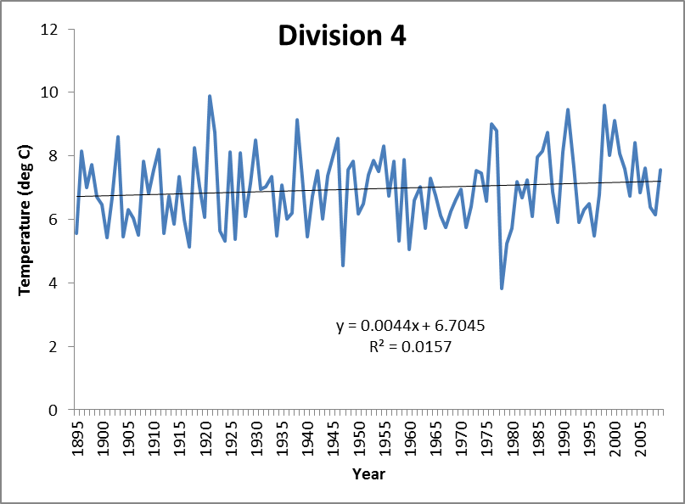
 | Year | Temp (deg C)
Div 4 | 1895 | 5.56
Div 4 | 1896 | 8.14
Div 4 | 1897 | 7.00
Div 4 | 1898 | 7.71
Div 4 | 1899 | 6.70
Div 4 | 1900 | 6.46
Div 4 | 1901 | 5.43
Div 4 | 1902 | 6.69
Div 4 | 1903 | 8.60
Div 4 | 1904 | 5.44
Div 4 | 1905 | 6.30
Div 4 | 1906 | 6.03
Div 4 | 1907 | 5.51
Div 4 | 1908 | 7.84
Div 4 | 1909 | 6.82
Div 4 | 1910 | 7.57
Div 4 | 1911 | 8.22
Div 4 | 1912 | 5.55
Div 4 | 1913 | 6.72
Div 4 | 1914 | 5.86
Div 4 | 1915 | 7.36
Div 4 | 1916 | 5.99
Div 4 | 1917 | 5.14
Div 4 | 1918 | 8.25
Div 4 | 1919 | 7.02
Div 4 | 1920 | 6.08
Div 4 | 1921 | 9.89
Div 4 | 1922 | 8.74
Div 4 | 1923 | 5.63
Div 4 | 1924 | 5.31
Div 4 | 1925 | 8.12
Div 4 | 1926 | 5.36
Div 4 | 1927 | 8.09
Div 4 | 1928 | 6.10
Div 4 | 1929 | 7.15
Div 4 | 1930 | 8.50
Div 4 | 1931 | 6.96
Div 4 | 1932 | 7.02
Div 4 | 1933 | 7.34
Div 4 | 1934 | 5.49
Div 4 | 1935 | 7.07
Div 4 | 1936 | 6.01
Div 4 | 1937 | 6.21
Div 4 | 1938 | 9.13
Div 4 | 1939 | 7.33
Div 4 | 1940 | 5.44
Div 4 | 1941 | 6.74
Div 4 | 1942 | 7.54
Div 4 | 1943 | 6.01
Div 4 | 1944 | 7.38
Div 4 | 1945 | 7.97
Div 4 | 1946 | 8.54
Div 4 | 1947 | 4.54
Div 4 | 1948 | 7.55
Div 4 | 1949 | 7.84
Div 4 | 1950 | 6.19
Div 4 | 1951 | 6.50
...

Division 5
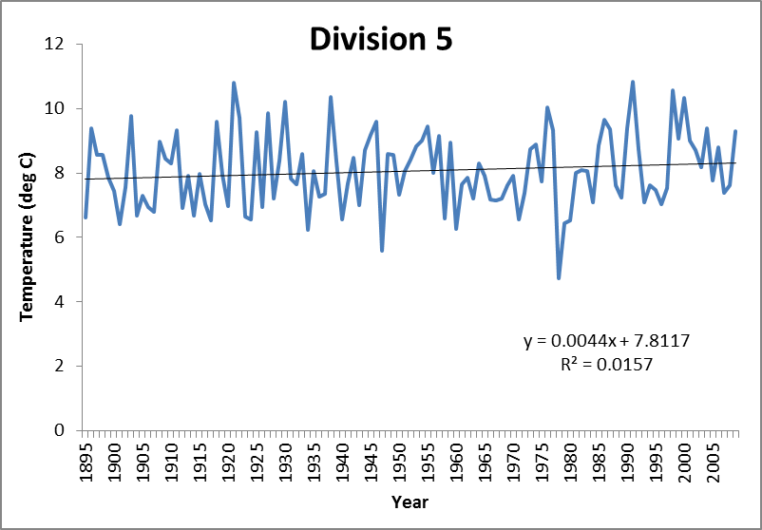
 | Year | Temp (deg C)
Div 5 | 1895 | 6.62
Div 5 | 1896 | 9.38
Div 5 | 1897 | 8.56
Div 5 | 1898 | 8.55
Div 5 | 1899 | 7.86
Div 5 | 1900 | 7.45
Div 5 | 1901 | 6.42
Div 5 | 1902 | 7.55
Div 5 | 1903 | 9.78
Div 5 | 1904 | 6.68
Div 5 | 1905 | 7.30
Div 5 | 1906 | 6.94
Div 5 | 1907 | 6.80
Div 5 | 1908 | 8.98
Div 5 | 1909 | 8.43
Div 5 | 1910 | 8.31
Div 5 | 1911 | 9.32
Div 5 | 1912 | 6.92
Div 5 | 1913 | 7.91
Div 5 | 1914 | 6.68
Div 5 | 1915 | 7.97
Div 5 | 1916 | 7.04
Div 5 | 1917 | 6.52
Div 5 | 1918 | 9.59
Div 5 | 1919 | 7.94
Div 5 | 1920 | 6.97
Div 5 | 1921 | 10.81
Div 5 | 1922 | 9.71
Div 5 | 1923 | 6.65
...

Division 6
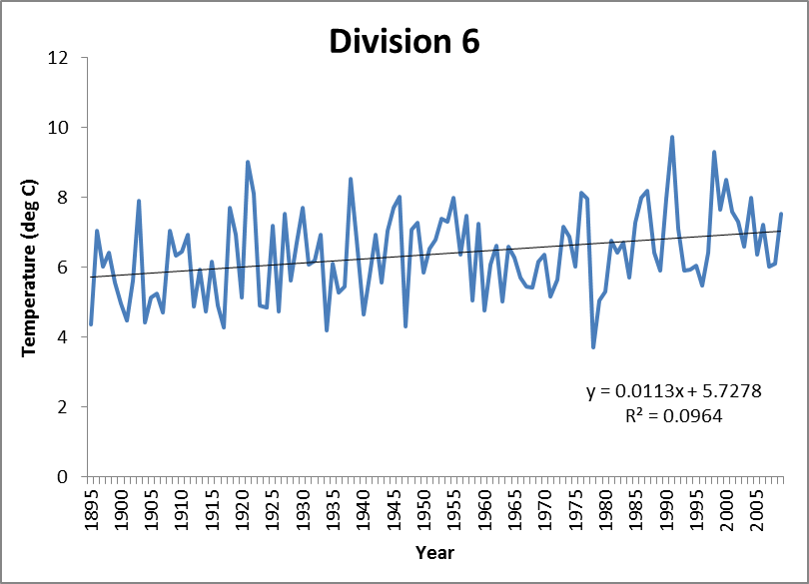
 | Year | Temp (deg C)
Div 6 | 1895 | 4.36
Div 6 | 1896 | 7.06
Div 6 | 1897 | 6.03
Div 6 | 1898 | 6.43
Div 6 | 1899 | 5.57
Div 6 | 1900 | 4.98
Div 6 | 1901 | 4.49
Div 6 | 1902 | 5.64
Div 6 | 1903 | 7.90
Div 6 | 1904 | 4.42
Div 6 | 1905 | 5.14
Div 6 | 1906 | 5.26
Div 6 | 1907 | 4.71
Div 6 | 1908 | 7.06
Div 6 | 1909 | 6.35
Div 6 | 1910 | 6.45
Div 6 | 1911 | 6.94
Div 6 | 1912 | 4.89
Div 6 | 1913 | 5.93
Div 6 | 1914 | 4.74
Div 6 | 1915 | 6.17
Div 6 | 1916 | 4.90
Div 6 | 1917 | 4.29
Div 6 | 1918 | 7.70
Div 6 | 1919 | 6.94
Div 6 | 1920 | 5.15
Div 6 | 1921 | 9.04
Div 6 | 1922 | 8.13
Div 6 | 1923 | 4.91
...

Division 7
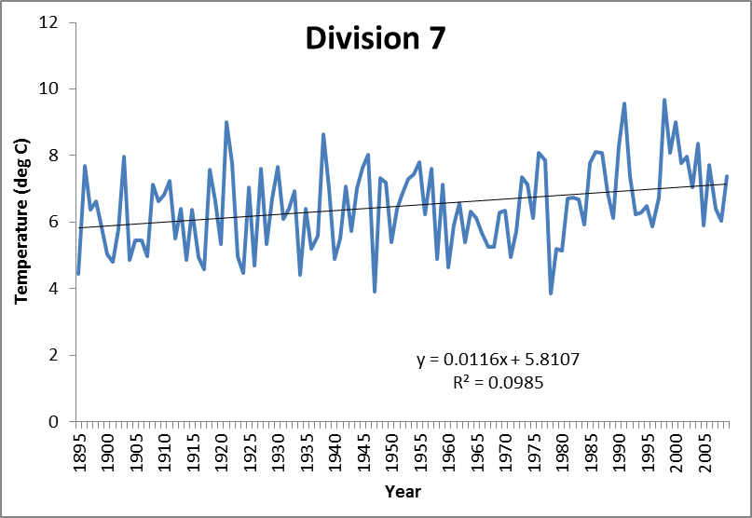
 | Year | Temp (deg C)
Div 7 | 1895 | 4.44
Div 7 | 1896 | 7.69
Div 7 | 1897 | 6.39
Div 7 | 1898 | 6.62
Div 7 | 1899 | 5.85
Div 7 | 1900 | 5.03
Div 7 | 1901 | 4.82
Div 7 | 1902 | 5.78
Div 7 | 1903 | 7.96
Div 7 | 1904 | 4.87
Div 7 | 1905 | 5.47
Div 7 | 1906 | 5.45
Div 7 | 1907 | 4.99
Div 7 | 1908 | 7.13
Div 7 | 1909 | 6.63
Div 7 | 1910 | 6.83
Div 7 | 1911 | 7.25
Div 7 | 1912 | 5.51
Div 7 | 1913 | 6.40
Div 7 | 1914 | 4.88
Div 7 | 1915 | 6.38
Div 7 | 1916 | 4.94
Div 7 | 1917 | 4.59
Div 7 | 1918 | 7.58
Div 7 | 1919 | 6.62
Div 7 | 1920 | 5.33
Div 7 | 1921 | 9.00
Div 7 | 1922 | 7.78
Div 7 | 1923 | 4.97
...

Division 8
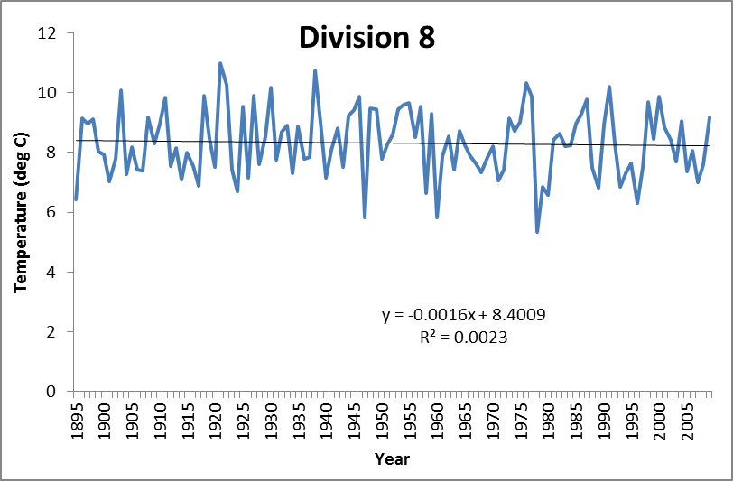
 | Year | Temp (deg C)
Div 8 | 1895 | 6.43
Div 8 | 1896 | 9.14
Div 8 | 1897 | 8.97
Div 8 | 1898 | 9.11
Div 8 | 1899 | 8.01
Div 8 | 1900 | 7.93
Div 8 | 1901 | 7.03
Div 8 | 1902 | 7.79
Div 8 | 1903 | 10.08
Div 8 | 1904 | 7.26
Div 8 | 1905 | 8.17
Div 8 | 1906 | 7.42
Div 8 | 1907 | 7.40
Div 8 | 1908 | 9.17
Div 8 | 1909 | 8.31
Div 8 | 1910 | 8.97
Div 8 | 1911 | 9.83
Div 8 | 1912 | 7.54
Div 8 | 1913 | 8.14
Div 8 | 1914 | 7.10
Div 8 | 1915 | 7.99
Div 8 | 1916 | 7.54
Div 8 | 1917 | 6.89
Div 8 | 1918 | 9.90
Div 8 | 1919 | 8.46
Div 8 | 1920 | 7.51
Div 8 | 1921 | 11.00
Div 8 | 1922 | 10.28
...

Division 9
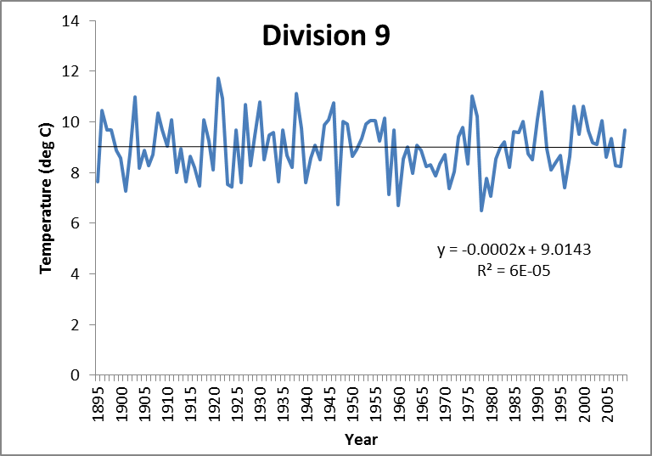
 | Year | Temp (deg C)
Div 9 | 1895 | 7.62
Div 9 | 1896 | 10.47
Div 9 | 1897 | 9.69
Div 9 | 1898 | 9.69
Div 9 | 1899 | 8.87
Div 9 | 1900 | 8.58
Div 9 | 1901 | 7.25
Div 9 | 1902 | 8.74
Div 9 | 1903 | 11.00
Div 9 | 1904 | 8.17
Div 9 | 1905 | 8.88
Div 9 | 1906 | 8.28
Div 9 | 1907 | 8.70
Div 9 | 1908 | 10.35
Div 9 | 1909 | 9.68
Div 9 | 1910 | 9.03
Div 9 | 1911 | 10.07
Div 9 | 1912 | 8.01
Div 9 | 1913 | 8.93
Div 9 | 1914 | 7.63
Div 9 | 1915 | 8.64
Div 9 | 1916 | 8.20
Div 9 | 1917 | 7.47
Div 9 | 1918 | 10.07
Div 9 | 1919 | 9.26
Div 9 | 1920 | 8.12
Div 9 | 1921 | 11.72
Div 9 | 1922 | 10.93
...

Division 10
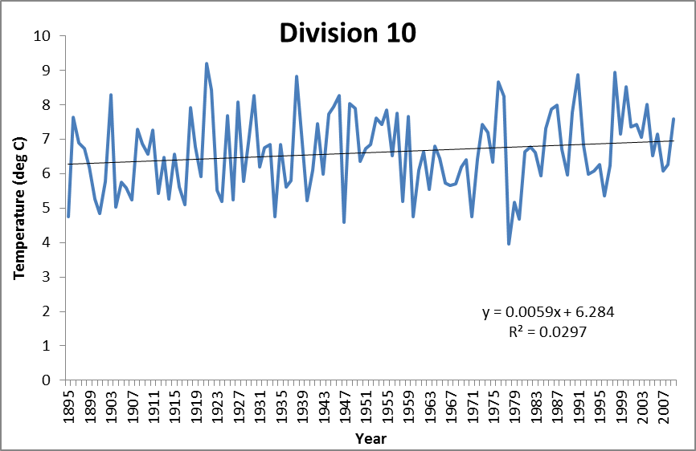
 | Year | Temp (deg C)
Div 10 | 1895 | 4.75
Div 10 | 1896 | 7.65
Div 10 | 1897 | 6.90
Div 10 | 1898 | 6.72
Div 10 | 1899 | 6.19
Div 10 | 1900 | 5.27
Div 10 | 1901 | 4.84
Div 10 | 1902 | 5.78
Div 10 | 1903 | 8.31
Div 10 | 1904 | 5.03
Div 10 | 1905 | 5.74
Div 10 | 1906 | 5.58
Div 10 | 1907 | 5.24
Div 10 | 1908 | 7.28
Div 10 | 1909 | 6.88
Div 10 | 1910 | 6.58
Div 10 | 1911 | 7.27
Div 10 | 1912 | 5.43
Div 10 | 1913 | 6.47
Div 10 | 1914 | 5.27
Div 10 | 1915 | 6.57
Div 10 | 1916 | 5.61
Div 10 | 1917 | 5.11
Div 10 | 1918 | 7.93
Div 10 | 1919 | 6.79
Div 10 | 1920 | 5.92
Div 10 | 1921 | 9.22
Div 10 | 1922 | 8.43
Div 10 | 1923 | 5.53
Div 10 | 1924 | 5.20
...

State T Trends
...
Year | State Mean T (deg C) | State mean T Anomaly (deg C) |  | Slope (deg C/year) | T (deg C) Change in 115 years
1897 | 6.62 | -0.24 | Div 4 | 0.0044 | 0.506
1898 | 7.06 | 0.20 | Div 5 | 0.0044 | 0.506
1899 | 6.05 | -0.81 | Div 10 | 0.0059 | 0.6785
1900 | 5.52 | -1.34 | Div 2 | 0.0096 | 1.104
1901 | 4.77 | -2.09 | Div 1 | 0.0113 | 1.2995
1902 | 5.98 | -0.88 | Div 6 | 0.0113 | 1.2995
1903 | 8.19 | 1.33 | Div 7 | 0.0116 | 1.334
1904 | 4.82 | -2.04 | Div 3 | 0.0137 | 1.5755
1905 | 5.56 | -1.30 | State | 0.007 | 0.92
1906 | 5.54 | -1.32
State Spring Temperature Change
1895 | 4.83
1896 | 7.59
1897 | 6.62
1898 | 7.06
1899 | 6.05
1900 | 5.52
1901 | 4.77
1902 | 5.98
1903 | 8.19
1904 | 4.82
1905 | 5.56
1906 | 5.54
1907 | 5.04
1908 | 7.24
1909 | 6.52
1910 | 6.85
1911 | 7.50
1912 | 5.18
1913 | 6.24
1914 | 5.10
1915 | 6.59
1916 | 5.25
1917 | 4.66
1918 | 7.75
1919 | 6.68
1920 | 5.40
1921 | 9.26
1922 | 8.11
1923 | 5.05
1924 | 4.84
1925 | 7.44
1926 | 4.89
1927 | 7.77
1928 | 5.69
1929 | 6.83
1930 | 8.04
1931 | 6.44
1932 | 6.54
1933 | 7.04
1934 | 4.81
1935 | 6.48
1936 | 5.69
1937 | 5.84
1938 | 8.78
1939 | 6.98
1940 | 4.96
1941 | 6.20
1942 | 7.13
1943 | 5.73
1944 | 7.04
...
1907 | 5.04 | -1.82
1908 | 7.24 | 0.38
1909 | 6.52 | -0.34
1910 | 6.85 | -0.01
1911 | 7.50 | 0.64
1912 | 5.18 | -1.68
1913 | 6.24 | -0.62
1914 | 5.10 | -1.76
1915 | 6.59 | -0.27
1916 | 5.25 | -1.61
1917 | 4.66 | -2.20
1918 | 7.75 | 0.89
1919 | 6.68 | -0.18
1920 | 5.40 | -1.46
State Spring T Anomaly
1895 | -2.03
1896 | 0.73
1897 | -0.24
1898 | 0.20
1899 | -0.81
1900 | -1.34
1901 | -2.09
1902 | -0.88
1903 | 1.33
1904 | -2.04
1905 | -1.30
1906 | -1.32
1907 | -1.82
1908 | 0.38
1909 | -0.34
1910 | -0.01
1911 | 0.64
1912 | -1.68
1913 | -0.62
1914 | -1.76
1915 | -0.27
1916 | -1.61
1917 | -2.20
1918 | 0.89
1919 | -0.18
1920 | -1.46
1921 | 2.40
1922 | 1.25
1923 | -1.81
1924 | -2.02
1925 | 0.58
1926 | -1.97
1927 | 0.91
1928 | -1.17
1929 | -0.03
1930 | 1.18
1931 | -0.42
1932 | -0.32
1933 | 0.18
1934 | -2.05
1935 | -0.38
1936 | -1.17
1937 | -1.02
1938 | 1.92
1939 | 0.12
1940 | -1.90
1941 | -0.66
1942 | 0.27
1943 | -1.13
1944 | 0.18
...
1921 | 9.26 | 2.40
1922 | 8.11 | 1.25
1923 | 5.05 | -1.81
1924 | 4.84 | -2.02
1925 | 7.44 | 0.58
1926 | 4.89 | -1.97
1927 | 7.77 | 0.91
1928 | 5.69 | -1.17
1929 | 6.83 | -0.03
State T Trend 1990-2009
1990 | 7.97
1991 | 9.39
1992 | 7.11
1993 | 5.81
1994 | 6.03
1995 | 6.22
1996 | 5.38
1997 | 6.44
1998 | 9.37
1999 | 7.76
2000 | 8.75
2001 | 7.72
2002 | 7.39
2003 | 6.55
2004 | 8.05
2005 | 6.40
2006 | 7.44
2007 | 6.14
2008 | 6.06
2009 | 7.53
1930 | 8.04 | 1.18
1931 | 6.44 | -0.42
1932 | 6.54 | -0.32
1933 | 7.04 | 0.18
1934 | 4.81 | -2.05
1935 | 6.48 | -0.38
1936 | 5.69 | -1.17
1937 | 5.84 | -1.02
1938 | 8.78 | 1.92
1939 | 6.98 | 0.12
1940 | 4.96 | -1.90
1941 | 6.20 | -0.66
1942 | 7.13 | 0.27
1943 | 5.73 | -1.13
1944 | 7.04 | 0.18
1945 | 7.74 | 0.88
1946 | 8.20 | 1.34
1947 | 4.34 | -2.52
1948 | 7.18 | 0.32
1949 | 7.49 | 0.63
1950 | 5.71 | -1.15
1951 | 6.51 | -0.35
1952 | 6.88 | 0.02
1953 | 7.47 | 0.61
1954 | 7.51 | 0.65
1955 | 8.03 | 1.17
1956 | 6.25 | -0.61
1957 | 7.50 | 0.64
1958 | 5.14 | -1.72
1959 | 7.38 | 0.52
...

Flowering data
Carduus nutans
Common Name | County | Year | Division | Temperature | DOY | Species | Flowering Shift (d/deg C)
Nodding Thistle | Erie Co. | 1966 | DIV2 | 15.91 | 180 | Carduus_nutans | -12.5
Nodding Thistle | Erie Co. | 1966 | DIV2 | 15.91 | 234 | Castilleja_coccinea | -7.3
Nodding Thistle | Erie Co. | 1967 | DIV2 | 16.27 | 193 | Aquilegia_canadensis | -3.1
Nodding Thistle | Erie Co. | 1973 | DIV2 | 16.74 | 178 | Clematis_virginiana | 4.9
Nodding Thistle | Ottawa Co. | 1978 | DIV2 | 16.36 | 189 | Cornus_florida | -2.3
Nodding Thistle | Cuyahoga Co. | 1974 | DIV3 | 15 | 202 | Cypripedium_acaule | -3.4
Nodding Thistle | Franklin Co. | 1990 | DIV5 | 17.53 | 164 | Average Flowering Shift | -3.9
Photo Credit: Gary Munroe@ USDA-NRCS PLANTS Database,
Nodding Thistle | Pickaway Co. | 2009 | DIV5 | 17.97 | 171
Nodding Thistle | Montgomery Co. | 1974 | DIV8 | 17.36 | 191
Nodding Thistle | Ross Co. | 1987 | DIV9 | 19.53 | 155

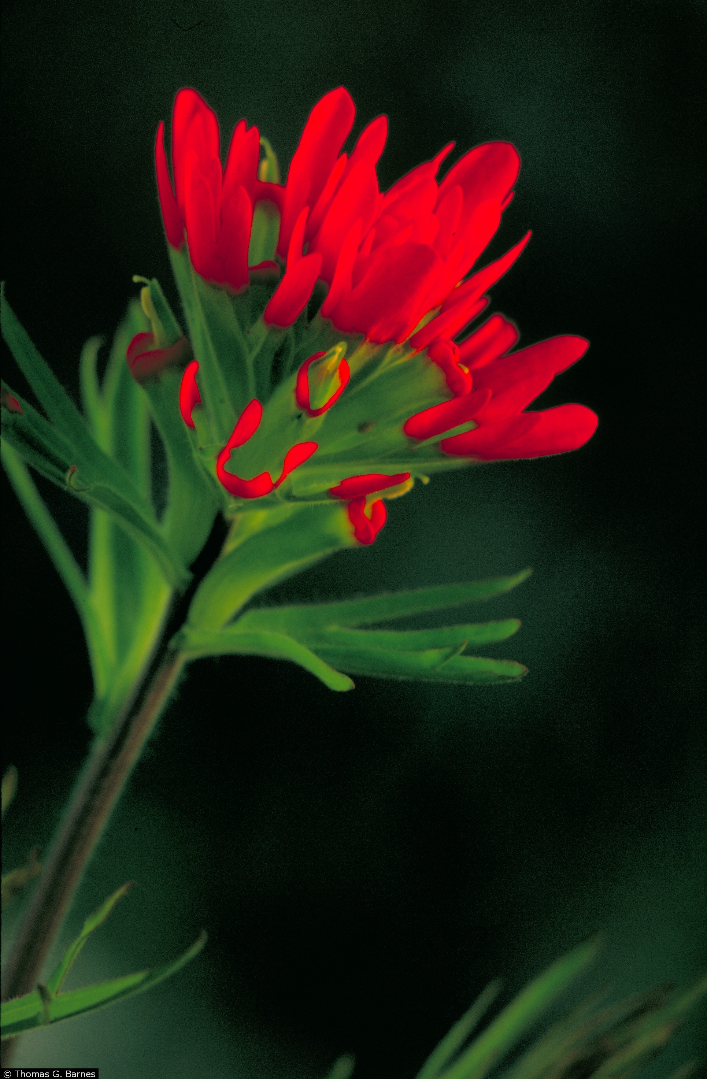
Photo Credit: Thomas G. Barnes @ USDA-NRCS PLANTS Database, University of Kentucky
Common Name | County | Year | Division | Temperature | DOY
Indian's Paintbrush | Portage Co. | 1933 | DIV3 | 5.27 | 141
Indian's Paintbrush | Geauga Co. | 1959 | DIV3 | 5.48 | 173
Castilleja coccinea
Indian's Paintbrush | Ashland Co. | 1970 | DIV6 | 6.38 | 153
Indian's Paintbrush | Adams Co. | 1924 | DIV8 | 6.69 | 152
Indian's Paintbrush | Adams Co. | 1967 | DIV8 | 7.63 | 155
Indian's Paintbrush | Adams Co. | 1967 | DIV8 | 7.63 | 150
Indian's Paintbrush | Franklin Co. | 1899 | DIV5 | 7.86 | 142
Indian's Paintbrush | Adams Co. | 2002 | DIV8 | 8.43 | 133
Indian's Paintbrush | Adams Co. | 1933 | DIV8 | 8.89 | 141
Indian's Paintbrush | Adams Co. | 1975 | DIV8 | 9.03 | 139
Indian's Paintbrush | Adams Co. | 1987 | DIV8 | 9.79 | 111
Indian's Paintbrush | Adams Co. | 2000 | DIV8 | 9.86 | 123
Indian's Paintbrush | Pike Co. | 1953 | DIV9 | 9.92 | 122
Indian's Paintbrush | Madison Co. | 1930 | DIV5 | 10.21 | 138

Common Name | County | Year | Division | Temperature | DOY
Moccasin flower | Hocking Co. | 1940 | DIV10 | 5.21 | 146
Moccasin flower | Hocking Co. | 1929 | DIV10 | 6.9 | 145
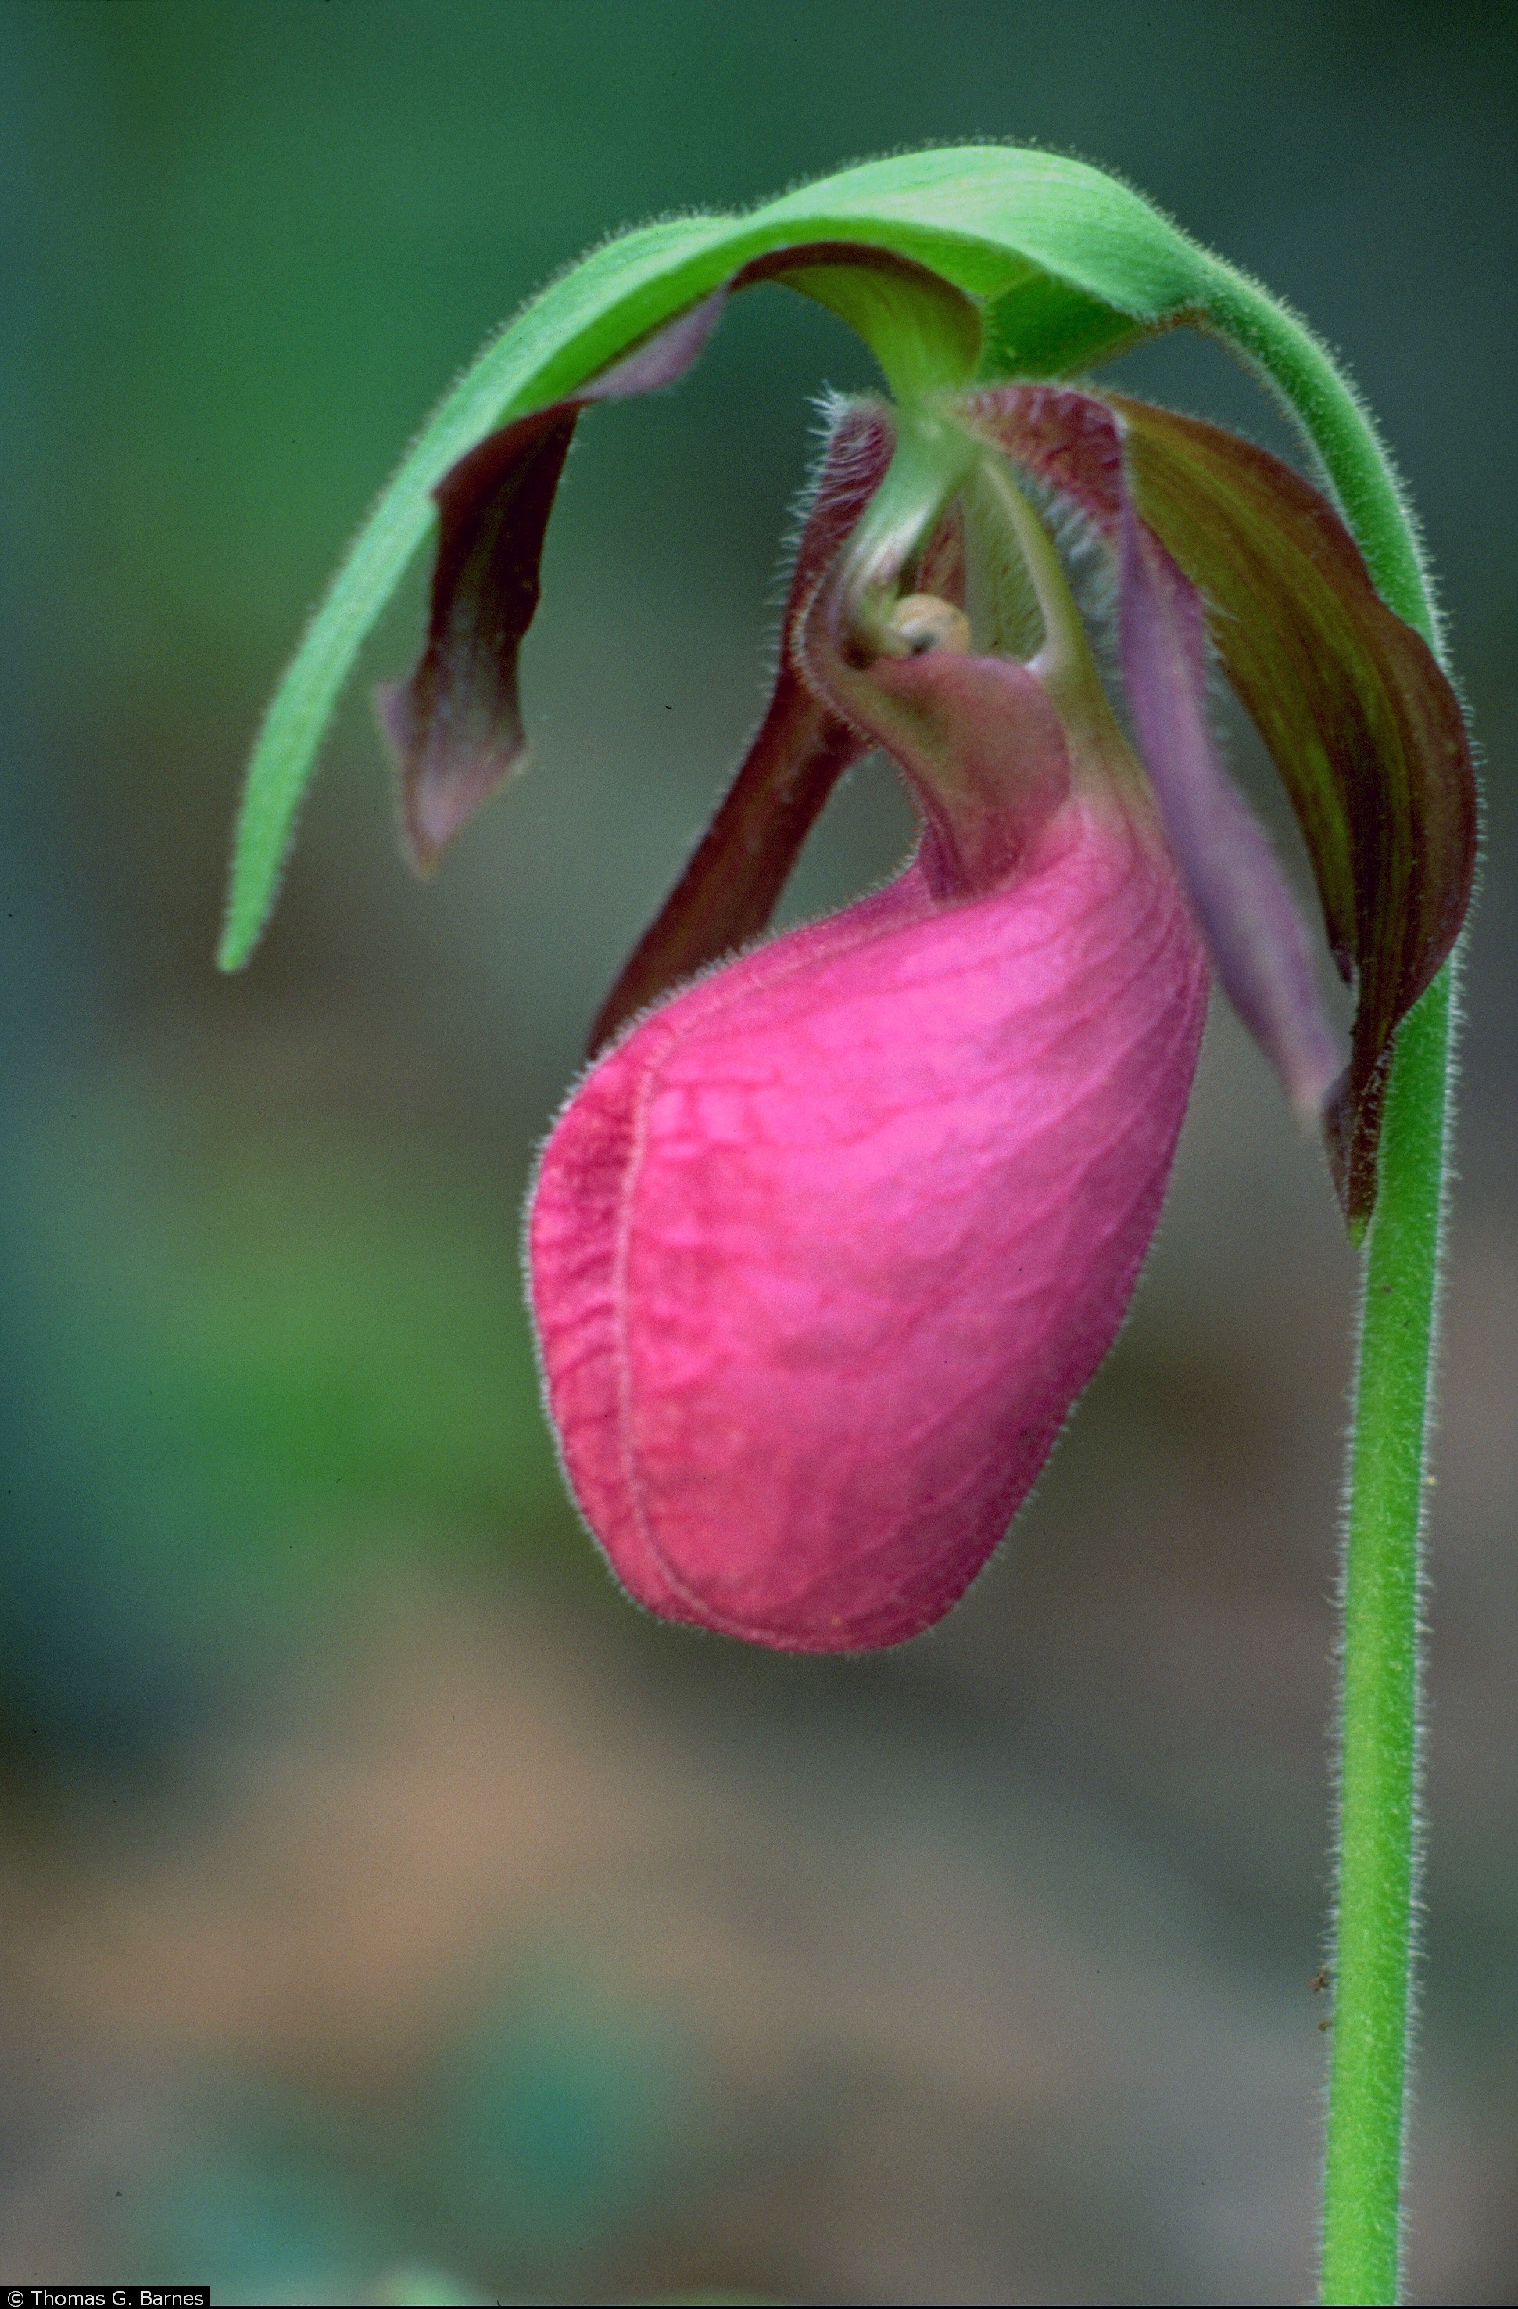
Moccasin flower | Hocking Co. | 1983 | DIV10 | 6.62 | 144
Moccasin flower | Hocking Co. | 1982 | DIV10 | 6.79 | 128
Moccasin flower | Hocking Co. | 1961 | DIV10 | 6.11 | 131
Moccasin flower | Hocking Co. | 1940 | DIV10 | 5.21 | 146
Cypripedium_acaule
Moccasin flower | Trumbull Co. | 1907 | DIV3 | 2.65 | 160
Moccasin flower | Portage Co. | 1900 | DIV3 | 3.45 | 154
Moccasin flower | Geauga Co. | 1928 | DIV3 | 3.75 | 148
Moccasin flower | Geauga Co. | 1934 | DIV3 | 2.73 | 143
Moccasin flower | Summit Co. | 1957 | DIV3 | 5.53 | 156
Moccasin flower | Fairfield Co. | 1900 | DIV5 | 7.45 | 139
Moccasin flower | Fairfield Co. | 1971 | DIV5 | 6.55 | 149
Moccasin flower | Fairfield Co. | 1900 | DIV5 | 7.45 | 139
Moccasin flower | Fairfield Co. | 1901 | DIV5 | 6.42 | 176
Moccasin flower | Fairfield Co. | 1901 | DIV5 | 6.42 | 145
Moccasin flower | Fairfield Co. | 1898 | DIV5 | 8.55 | 141
Moccasin flower | Fairfield Co. | 1901 | DIV5 | 6.42 | 141
Moccasin flower | Fairfield Co. | 1901 | DIV5 | 6.42 | 145
Photo Credit: Thomas G. Barnes @ USDA-NRCS PLANTS Database, University of Kentucky
Moccasin flower | Fairfield Co. | 1901 | DIV5 | 6.42 | 145
Moccasin flower | Fairfield Co. | 1935 | DIV5 | 8.07 | 139
Moccasin flower | Fairfield Co. | 1898 | DIV5 | 8.55 | 148
Moccasin flower | Fairfield Co. | 1901 | DIV5 | 6.42 | 145
Moccasin flower | Fairfield Co. | 1963 | DIV5 | 7.19 | 138
Moccasin flower | Adams Co. | 1932 | DIV8 | 8.68 | 142
Moccasin flower | Adams Co. | 1949 | DIV8 | 9.44 | 135
Moccasin flower | Jackson Co. | 1981 | DIV9 | 8.54 | 125
Moccasin flower | Scioto Co. | 1988 | DIV9 | 8.74 | 121
Moccasin flower | Pike Co. | 1982 | DIV9 | 8.97 | 120

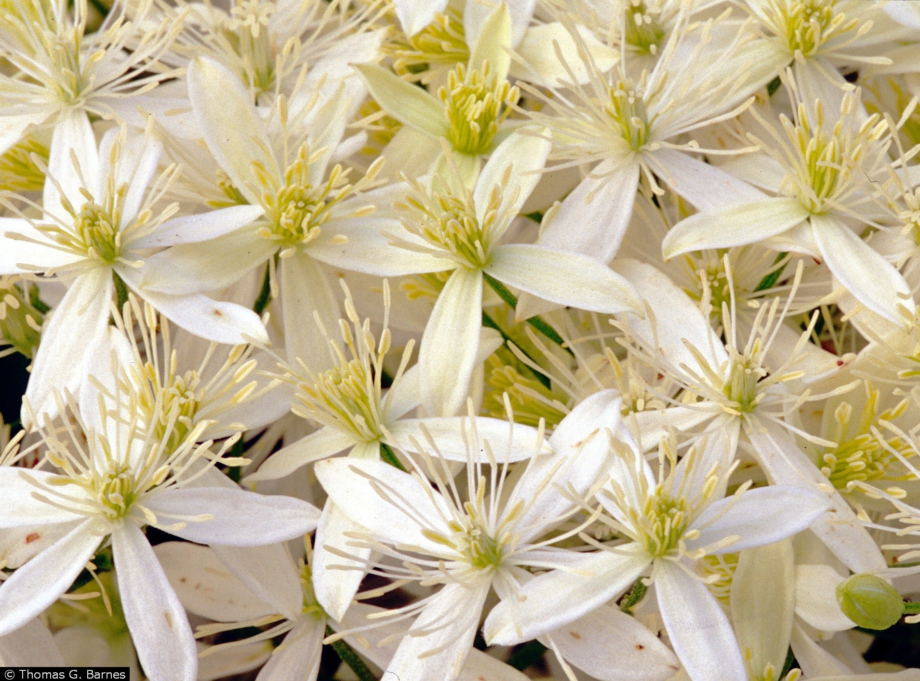
Clematis_virginiana
Common Name | County | Year | Division | Temperature | DOY
Devil's darning needles | Fulton Co. | 1958 | DIV1 | 19.08 | 229
Devil's darning needles | Hocking Co. | 1971 | DIV10 | 17.98 | 222
Devil's darning needles | Hocking Co. | 1972 | DIV10 | 18.73 | 213
Devil's darning needles | Erie Co. | 1966 | DIV2 | 19.11 | 235
Devil's darning needles | Erie Co. | 1975 | DIV2 | 20.74 | 238
Devil's darning needles | Ottawa Co. | 1958 | DIV2 | 18.57 | 192
Devil's darning needles | Ottawa Co. | 1972 | DIV2 | 18.92 | 237
Devil's darning needles | Sandusky Co. | 1956 | DIV2 | 19.25 | 217
Devil's darning needles | Sandusky Co. | 1959 | DIV2 | 21.09 | 232
Devil's darning needles | Ashtabula Co. | 1972 | DIV3 | 17.22 | 201
Devil's darning needles | Medina Co. | 1957 | DIV3 | 18.04 | 193
Devil's darning needles | Medina Co. | 1957 | DIV3 | 18.04 | 224
Photo Credit: Thomas G. Barnes @ USDA-NRCS PLANTS Database, University of Kentucky
Devil's darning needles | Medina Co. | 1970 | DIV3 | 18.77 | 225
Devil's darning needles | Summit Co. | 1954 | DIV3 | 17.72 | 222
Devil's darning needles | Summit Co. | 1971 | DIV3 | 17.22 | 228
Devil's darning needles | Auglaize Co. | 1929 | DIV4 | 18.98 | 183
Devil's darning needles | Logan Co. | 1990 | DIV4 | 19.53 | 206
Devil's darning needles | Fairfield Co. | 1958 | DIV5 | 20.13 | 226
Devil's darning needles | Clermont Co. | 2008 | DIV8 | 20.33 | 232
Devil's darning needles | Warren Co. | 2008 | DIV8 | 20.33 | 231
Devil's darning needles | Jackson Co. | 1934 | DIV9 | 23.38 | 232
Devil's darning needles | Pike Co. | 1938 | DIV9 | 21.71 | 239

Common Name | County | Year | Division | Temperature | DOY
...
Aquilegia canadensis
2.99 | 146
6.02 | 129
6.26 | 146
6.07 | 149
6.26 | 139
5.58 | 130
6.58 | 147
4.76 | 138
5.35 | 132
6.07 | 133
6.84 | 154
5.56 | 133
6.5 | 151
6.09 | 140
4.98 | 134
7.08 | 130
5.71 | 130
6.09 | 129
2.88 | 139
4.91 | 140
3.4 | 135
3.4 | 128
5.73 | 138
7.97 | 133
5.74 | 142
6.3 | 147
10.21 | 117
8.07 | 143
7.86 | 130
9.33 | 115
9.37 | 130
6.93 | 128
6.8 | 130
5.94 | 172
7.02 | 134
4.9 | 138
9.86 | 102
6.82 | 140
8.31 | 135
8.89 | 134
7.03 | 148
7.62 | 130
11.13 | 112
8.72 | 121
8.02 | 129
...
 | Erie Co. | 1981 | DIV2 | 6.5 | 151
 | Huron Co. | 1970 | DIV2 | 6.09 | 140
 | Lorain Co. | 1967 | DIV2 | 4.98 | 134
 | Ottawa Co. | 1896 | DIV2 | 7.08 | 130
 | Ottawa Co. | 1968 | DIV2 | 5.71 | 130
 | Ottawa Co. | 1970 | DIV2 | 6.09 | 129
 | Cuyahoga Co. | 1895 | DIV3 | 2.88 | 139
 | Geauga Co. | 1982 | DIV3 | 4.91 | 140
 | Medina Co. | 1960 | DIV3 | 3.4 | 135
 | Trumbull Co. | 1960 | DIV3 | 3.4 | 128
Photo Credit: K. Calinger, Ohio State University
 | Champaign Co. | 1963 | DIV4 | 5.73 | 138
 | Champaign Co. | 1985 | DIV4 | 7.97 | 133
 | Hardin Co. | 1967 | DIV4 | 5.74 | 142
 | Shelby Co. | 1905 | DIV4 | 6.3 | 147
 | Fairfield Co. | 1930 | DIV5 | 10.21 | 117
 | Fairfield Co. | 1935 | DIV5 | 8.07 | 143
 | Franklin Co. | 1899 | DIV5 | 7.86 | 130
 | Franklin Co. | 1977 | DIV5 | 9.33 | 115
 | Franklin Co. | 1987 | DIV5 | 9.37 | 130
 | Coshocton Co. | 1942 | DIV6 | 6.93 | 128
 | Wayne Co. | 1939 | DIV6 | 6.8 | 130
 | Carroll Co. | 1961 | DIV7 | 5.94 | 172
 | Jefferson Co. | 1944 | DIV7 | 7.02 | 134
 | Jefferson Co. | 1958 | DIV7 | 4.9 | 138
...
Cornus florida
4.96 | 121
4.96 | 146
5.74 | 124
4.76 | 138
6.79 | 122
6.62 | 125
6.11 | 129
6.41 | 122
6.41 | 116
5.81 | 121
4.98 | 139
5.66 | 131
6.63 | 135
5.41 | 144
5.7 | 126
5.41 | 142
7.08 | 131
6.92 | 125
5.71 | 130
5.91 | 129
5.41 | 141
3.81 | 131
5.32 | 136
3.92 | 143
2.73 | 132
5.89 | 132
3.96 | 144
8.14 | 123
5.74 | 128
6.69 | 123
8.31 | 120
8.6 | 136
7.08 | 140
7.08 | 119
9.38 | 127
7.14 | 123
6.55 | 138
8.09 | 128
6.42 | 145
7.61 | 123
9.14 | 130
7.22 | 119
8.07 | 125
7.22 | 129
10.84 | 108
7.86 | 152
7.63 | 127
8.55 | 135
7.63 | 136
6.17 | 136
...
...
Common Name | County | Year | Division | Temperature | DOY
Flowering dogwood | Vinton Co. | 1970 | DIV10 | 6.41 | 116
Flowering dogwood | Vinton Co. | 1937 | DIV10 | 5.81 | 121
Flowering dogwood | Erie Co. | 1967 | DIV2 | 4.98 | 139
Flowering dogwood | Huron Co. | 1941 | DIV2 | 5.66 | 131
Flowering dogwood | Huron Co. | 1964 | DIV2 | 6.63 | 135
Flowering dogwood | Huron Co. | 1966 | DIV2 | 5.41 | 144
Flowering dogwood | Huron Co. | 2007 | DIV2 | 5.7 | 126
Flowering dogwood | Lorain Co. | 1902 | DIV2 | 5.41 | 142
Flowering dogwood | Lorain Co. | 1896 | DIV2 | 7.08 | 131
Flowering dogwood | Lorain Co. | 1973 | DIV2 | 6.92 | 125
Photo Credit: K. Calinger, Ohio State University
Flowering dogwood | Ottawa Co. | 1968 | DIV2 | 5.71 | 130
Flowering dogwood | Seneca Co. | 1969 | DIV2 | 5.91 | 129
Flowering dogwood | Seneca Co. | 1966 | DIV2 | 5.41 | 141
Flowering dogwood | Cuyahoga Co. | 1902 | DIV3 | 3.81 | 131
Flowering dogwood | Cuyahoga Co. | 1896 | DIV3 | 5.32 | 136
Flowering dogwood | Geauga Co. | 1956 | DIV3 | 3.92 | 143
Flowering dogwood | Medina Co. | 1934 | DIV3 | 2.73 | 132
Flowering dogwood | Summit Co. | 1973 | DIV3 | 5.89 | 132
Flowering dogwood | Summit Co. | 1972 | DIV3 | 3.96 | 144
Flowering dogwood | Auglaize Co. | 1896 | DIV4 | 8.14 | 123
Flowering dogwood | Champaign Co. | 1967 | DIV4 | 5.74 | 128
Flowering dogwood | Champaign Co. | 1902 | DIV4 | 6.69 | 123
Flowering dogwood | Darke Co. | 1955 | DIV4 | 8.31 | 120
...

